Screen transition
Chronos screen transition
 |  |  | :Screen transition
 |  |  | :Screen transition for which examination in the future is necessary

 |  | 1.Region setting screen (Only the start first time :).
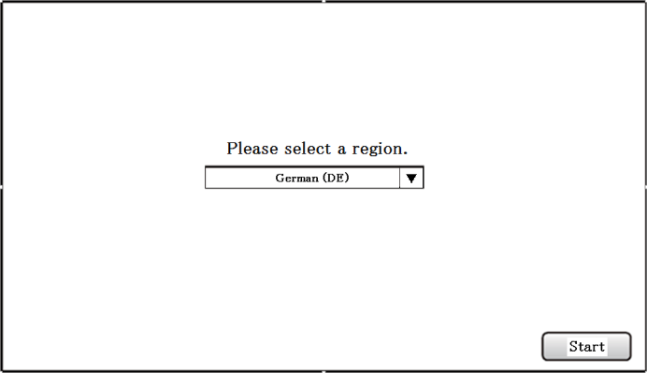
Power supply ON | Start first time |  |  |  | 3.2. Screen of measurement of diameter of cornea
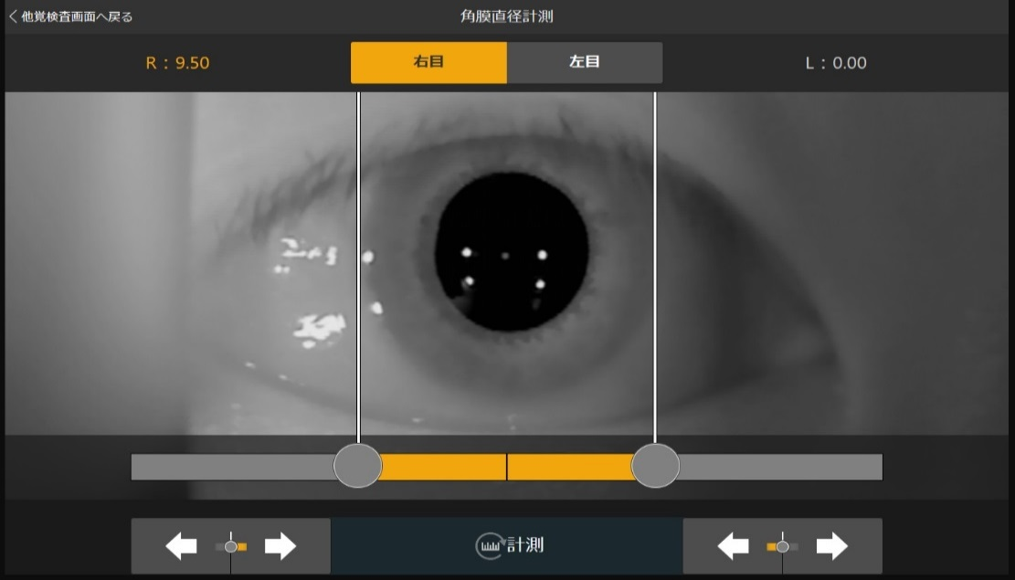

 | Since the second times

XXX button pressing
XXX button pressing

Button pressing that returns to another Satoru measurement screen
Button of measurement of diameter of cornea pressing
Start button pressing

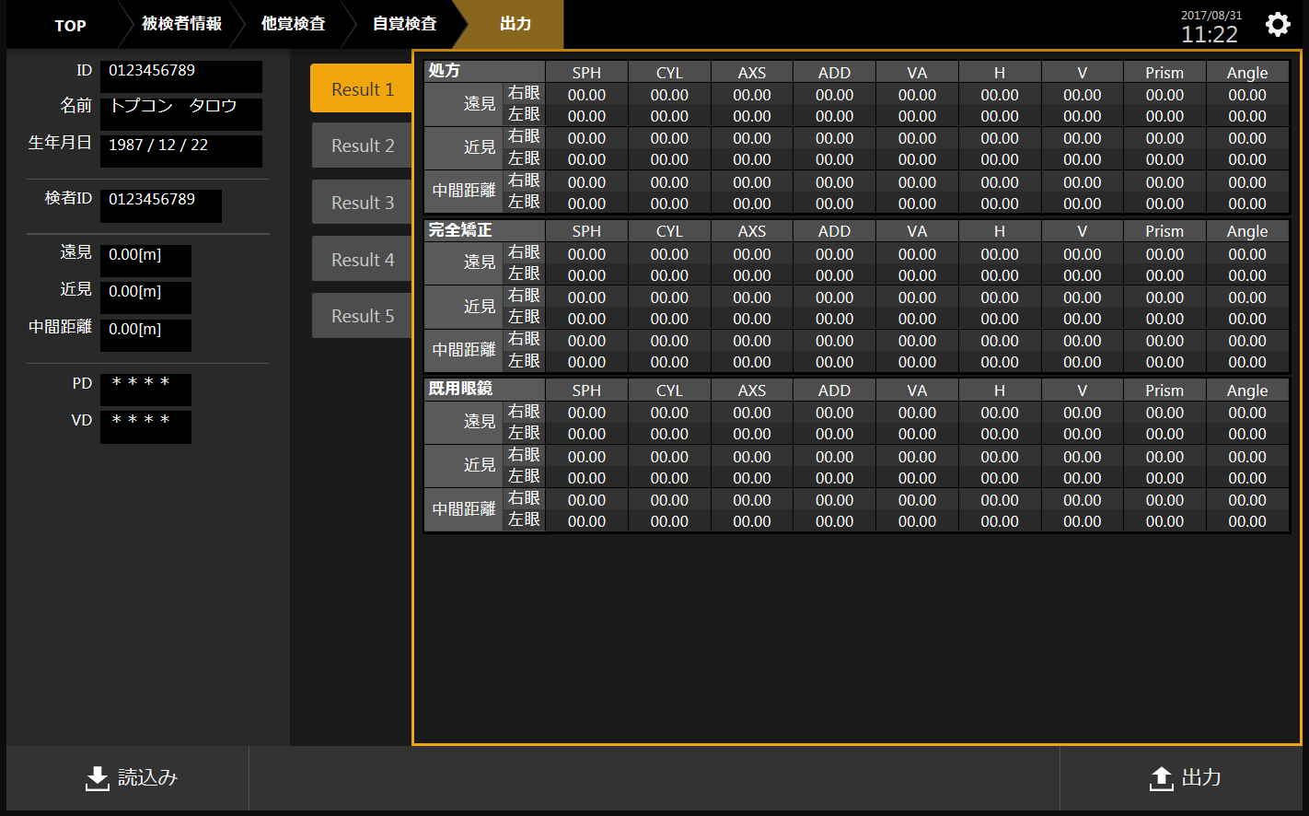
 |  |  |  | 2.Information input screen | 3.Another Satoru measurement screen |  | 4.Consciousness measurement screen | 5.Consciousness measurement screen
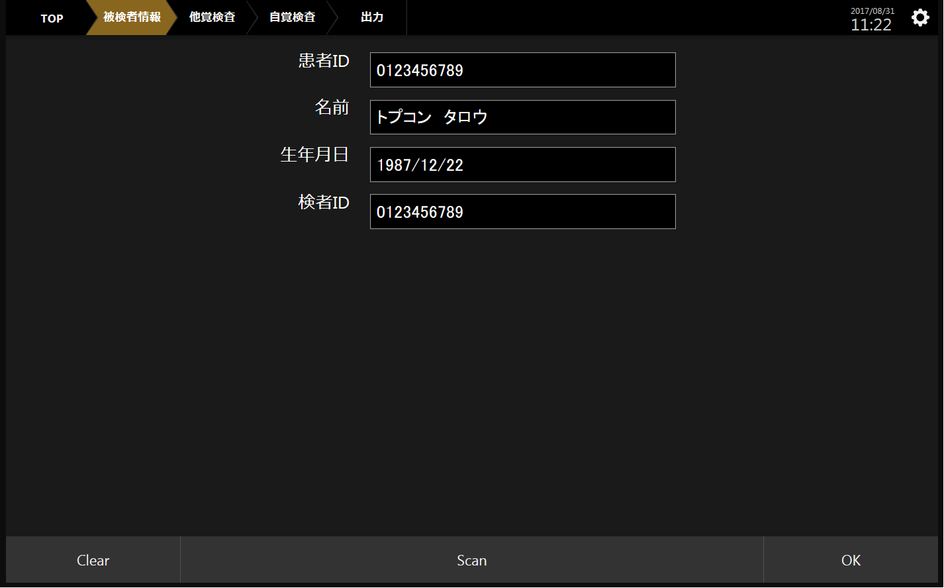
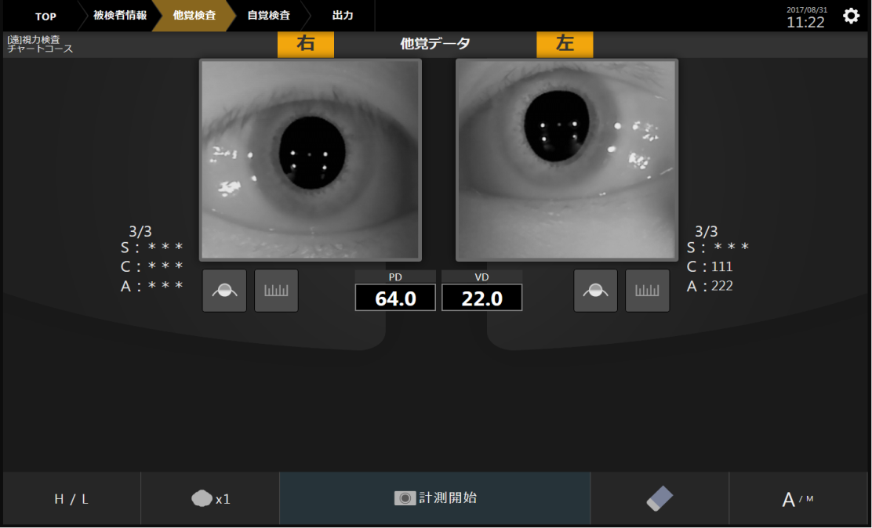
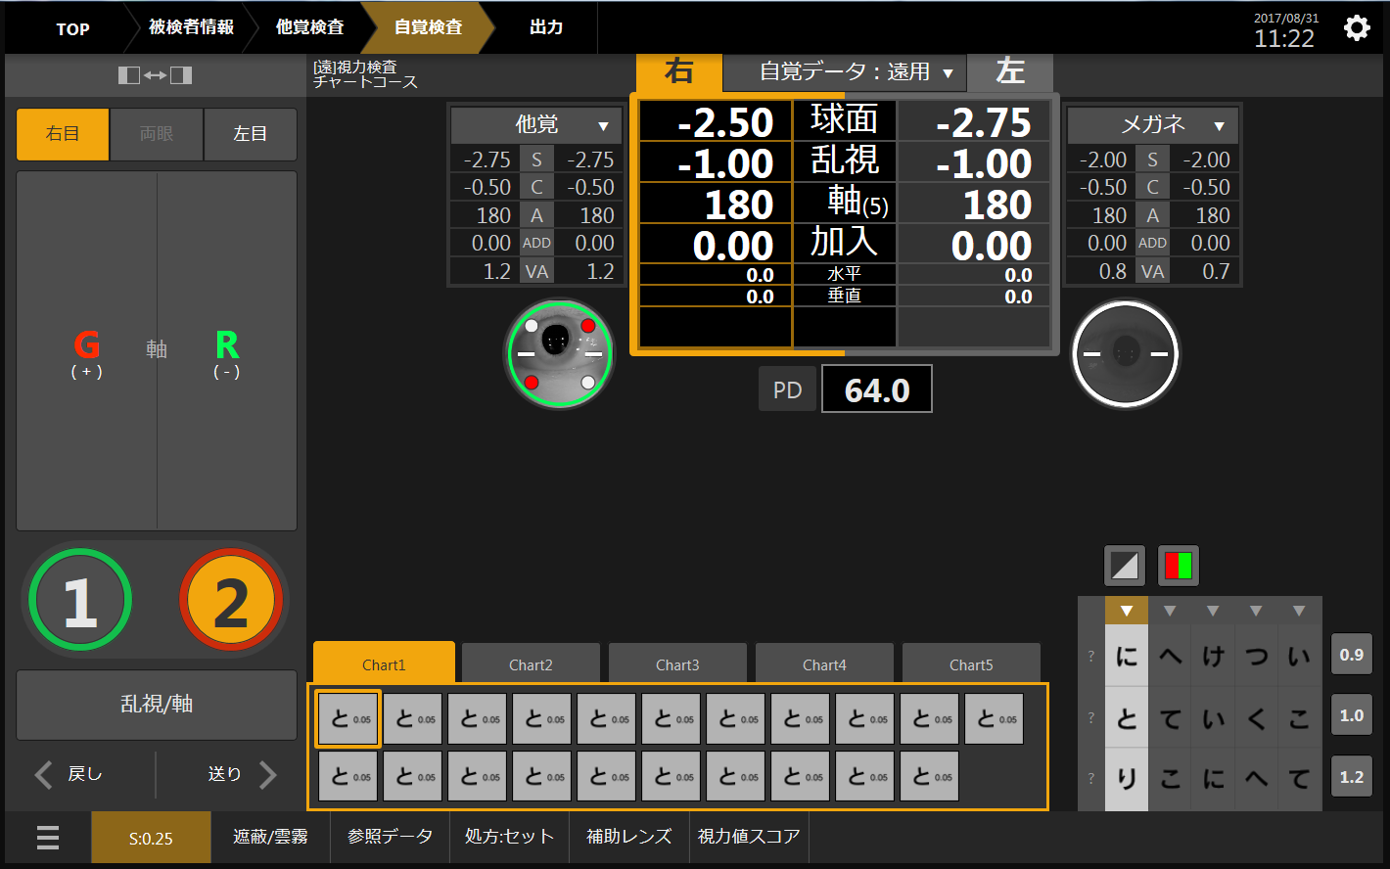
XXX button pressing
OK button pressing
XXX button pressing

XXX button pressing
XXX button pressing
XXX button pressing

Completion button pressing
Setup key pressing
Setup key pressing
Setup key pressing
Setup key pressing
Completion button pressing

Completion button pressing

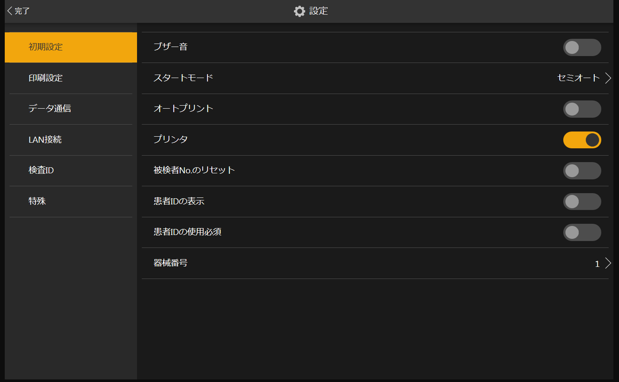
Completion button pressing

 |  |  |  |  |  | 7.Consciousness measurement screen

Screen specification
Chronos screen specification |  |  |  |  | The one to bundle [de] of the caption row is not a content actually displayed but is an icon or an image, and a text, etc. When two or more items such as DropdownList are listed(semicolon)It is assumed that it switches off and [de] district is described. | New addition | The HTML control is selected. |  | When changing, the screen number the transition ahead is described. |  |  | Y:It has mounted. N:Unmounting P: Part has been mounted.
 | No. | Type | Screen |  | Caption | Specification | Control | Processing | Screen transition ahead | Remarks | Default value | Mounting situation
 | 0 | Start screen display | Screen when being starting |  | - |  | ー | -
Splash screen
 |  |  |  |  | CHRONOS |  | label | The logo is displayed.
 |  |  |  |  | Version :*.** |  | label | Version information is displayed.
 |  |  |  |  | Region :** |  | label | Region information is displayed.
 |  |  |  |  | Copyright c 20** TOPCON CORPORATION |  | label | The copyright is displayed.

Region screen
 | 1 | Region setting screen | Region setting screen |  | - |  | ー | - |  |  |  | N
 |  | There is a possibility of the addition. |  | 1 | English (US);Japanese (JP) | The display language should be able to be selected. | select | The display language is set to English (United States); The display language is set to Japanese. |  |  | Japanese (JP) | N
 |  |  |  | 2 | Start | Change to the information input screen. | button | To the information input screen | 3

1

2

Information input screen ..(.. patient information Information of examining in an interview)
9
 |  |  |  |  |  |  | ー
 | 2 | [**]-subject fixed screen display | Information input screen |  | - |  | ー | - |  | -
 |  |  |  | 1 | Patient ID | Patient ID should be able to input it by the following means. ①Keyboard ②Bar code (one dimension) ③QR code Display input patient ID. | input type="text" | Patient ID input column |  | QR and one dimension |  | P: Only keyboard input has been mounted.

13
 |  |  |  | 2 | Patient ID | - | label | ー
6
5
4
3
2
1
 |  |  |  | 3 | Name | The name of the patient should be able to be input by the following means. ①Keyboard ②Bar code (one dimension) ③QR code Display the input name of the patient. | input type="text" | Patient name input column |  |  |  | P: Only keyboard input has been mounted.
8
7
 |  |  |  | 4 | Name | - | label | ー
 |  |  |  | 5 | Date of birth | Patient's date of birth should be able to be input by the following means. ①Keyboard ②Bar code (one dimension) ③QR code Display the input date of birth. | input type="date" | Input column of date of birth |  |  |  | P: Only keyboard input has been mounted.
 |  |  |  | 6 | Date of birth | - | label | ー
10
11
12
 |  |  |  | 7 | [**sha] ID | [**sha] ID should be able to be input by the following means. ①Keyboard ②Bar code (one dimension) ③QR code Display input [sareta] [**sha] ID. | input type="text" | [**sha] ID input column |  |  |  | P: Only keyboard input has been mounted.
 |  |  |  | 8 | [**sha] ID | - | label | ー
 |  |  |  | 9 | Date | Display a present date in the form of the following. Date: YYYY/MM/DD, MM/DD/YYYY, and DD/MM/YYYY Time: Hh:mm | time | Time (hh:mm) is displayed at date (YYYY/MM/DD, MM/DD/YYYY, DD/MM/YYYY). |  |  |  | P: Only keyboard input has been mounted.
 |  |  |  |  | Machine number :*** |  | label | The machine number is displayed.
 |  |  |  | 10 | Scan |  | button | The scanning of the bar code begins with the camera. |  | It is printed, the bar code (patient information) that is is scanned to the consultation table and the acceptance table, etc. , and it puts it in each TextBox (patient ID, name, and age).
 |  |  |  | 11 | Clear | Clear all the input values. | button | The input value is cleared. |  |  |  | Y
 |  |  |  | 12 | OK | Change to another Satoru inspection screen. | button | It changes to another Satoru inspection screen. |  |  | 2 | Y: To the upper part of the left of the screen in an experimental version [⇒]It is mounted as a button.
 |  |  |  | 13 | Setting | Change to the equipment setting screen. | input type="image" | It changes to the equipment setting screen. |  |  | 6 | Y

Another Satoru inspection screen
 |  |  |  |  |  |  | ー
 | 3 |  | Another Satoru inspection screen
 |  |  |  |  | [ID] |  | input type="image" | It moves to the information input screen.
 |  |  |  |  | ID :************* |  | label | Patient ID is displayed.

 |  |  |  |  | [**sha] ID :************* |  | label | [**sha] ID is displayed.
13
8
19
18
 |  |  |  | 1 | [Mi] signpost ..hard.. brightness | Switch brightness (High/Low) of the fixation target. | input type="image" | Brightness (High/Low) of the fixation target is switched. |  |  |  | Y
9
14
 |  |  |  | 2 | Cloudy fog | Do a temporary switch of the cloudy fog setting (Execution/every time, it executes only first time) by the sequential measurement. | input type="image" | The cataract mode is turned on and off. |  |  |  | N
 |  |  |  | 3 | Clearness | Clear all measurements data concerning another Satoru measurement. Moreover, initial and the position of the trestle position must move. | input type="image" | Measurements of both eyes are cleared. |  |  |  | Y
 |  |  |  | 4 | [A/M] | Switch the alignment mode ([o-toaramento]/[manyuaruaramento]). | input type="image" | The mode of the front eye alignment is switched (auto ⇔ manual). |  |  |  | N
7
6
10
17
12
15
11
16
 |  |  |  | 5 | Measurement beginning | At the auto alignment mode Execute [o-toaramento], and after completing the alignment Measure another Satoru. At [manyuaruaramentomo-do] Measure another Satoru. | input type="image" | The measurement of both eyes begins. |  |  |  | P: Only the measurement in the auto alignment mode has corresponded.
 |  |  |  | 6 | VD :**.** | Display VD (distance between the cornea tops) setting value. | label | Virtex Distance is displayed. |  |  |  | Y
 |  |  |  | 7 | PD :**.** | Display the result of a measurement of PD (pupillary distance). | label | The PD value is displayed. |  |  |  | Y
1
2
5
4
3
 |  |  |  | 8 | R |  | label | Inspection eye right eyes |  |  |  | Y
 |  |  |  | 9 | Anterior segment of the eye live image R | Display an anterior segment of the eye live image. | img | The eye department is live displayed in front of the right eye (outside of the stereo camera?). |  |  |  | Y
 |  |  |  |  | The above R | The direction and the speed (examination of the necessity) are decided at the touch position in not the upper and lower, right and left distinction but a live display. | input type="image" | A main body right eyes are operated for above. |  |  |  | N
 |  |  |  |  | Under R | Ditto | input type="image" | A main body right eyes are operated below. |  |  |  | N
 |  |  |  |  | Z advancement R | Instruction method before and behind Z direction | input type="image" | Z drive part right eyes are brought close to the patient.
 |  |  |  |  | Z retreat R | Ditto | input type="image" | Z drive part right eyes are kept away from the patient.
 |  |  |  | 10 | Cataract R | Do the ON/OFF switch of the cataract mode of the right eye. | input type="image" | The cataract mode of the right eye is turned on and off. |  |  |  | N
 |  |  |  | 11 | Diameter R of cornea | Change to the screen of the measurement of the diameter of the cornea of the right eye. | input type="image" | The brightness of the fixation target of the right eye is switched and High/Low is switched. |  |  |  | Y
 |  |  |  | 12 | R:*/* | Display the Lech measurement frequency of the right eye in the form of the following. Measurement fixed frequency/set measurement frequency | label | The Lech measurement frequency of the right eye is displayed. |  |  |  | N
 |  |  |  |  | S:±*.** | Display central value (S) of Lech measurements of the right eye. | label | Central value (S) of Lech measurements of the right eye is displayed. |  |  |  | Y: It displays it in an experimental version in the form of the following. |AVE|1|2|3|
 |  |  |  |  | C:±*.** | Display central value (C) of Lech measurements of the right eye. The supplementation: 0.0 is displayed. | label | Central value (C) of Lech measurements of the right eye is displayed. |  |  |  | Y: It displays it in an experimental version in the form of the following. |AVE|1|2|3|
 |  |  |  |  | A:*** | Display central value (C) of Lech measurements of the right eye. The supplementation: The display range is 1-180. | label | Central value (A) of Lech measurements of the right eye is displayed. |  |  |  | Y: It displays it in an experimental version in the form of the following. |AVE|1|2|3|
 |  |  |  | 13 | L |  | label | Inspection eye left eyes |  |  |  | Y
 |  |  |  | 14 | Anterior segment of the eye live image L | As well as R | img | The eye the left before one's eyes department is live displayed (outside of the stereo camera?). |  |  |  | Y
 |  |  |  |  | The above L | As well as R | input type="image" | A main body left eyes are operated for above. |  |  |  | N
 |  |  |  |  | Under L | As well as R | input type="image" | A main body left eyes are operated below. |  |  |  | N
 |  |  |  |  | Z advancement L | As well as R | input type="image" | Z drive part left eyes are brought close to the patient.
 |  |  |  |  | Z retreat L | As well as R | input type="image" | Z drive part left eyes are kept away from the patient.
 |  |  |  | 15 | Cataract L | As well as R | input type="image" | Cataract modes of left eyes are turned on and off. |  |  |  | N
 |  |  |  | 16 | Diameter R of cornea | As well as R | input type="image" | It changes to screens of the measurement of the diameter of the cornea of left eyes. |  |  |  | Y
 |  |  |  | 17 | L:*/* | As well as R | label | The Lech measurement frequencies of left eyes are displayed. |  |  |  | N
 |  |  |  |  | S:±*.** | As well as R | label | Central values (S) of Lech measurements of left eyes are displayed. |  |  |  | Y: It displays it in an experimental version in the form of the following. |AVE|1|2|3|
 |  |  |  |  | C:±*.** | As well as R | label | Central values (C) of Lech measurements of left eyes are displayed. |  |  |  | Y: It displays it in an experimental version in the form of the following. |AVE|1|2|3|
 |  |  |  |  | A:±*** | As well as R | label | Central values (A) of Lech measurements of left eyes are displayed. |  |  |  | Y: It displays it in an experimental version in the form of the following. |AVE|1|2|3|
 |  |  |  | 18 | Date | Display a present date in the form of the following. Date: YYYY/MM/DD, MM/DD/YYYY, and DD/MM/YYYY Time: Hh:mm | time | Time (hh:mm) is displayed at date (YYYY/MM/DD, MM/DD/YYYY, DD/MM/YYYY). |  |  |  | Y
 |  |  |  | 19 | Setting | Change to the equipment setting screen. | input type="image" | It changes to the equipment setting screen. |  |  |  | Y

 |  |  |  |  |  |  | ー
 | 3 |  | Screen of measurement of diameter of cornea |  |  |  |  |  |  |  |  | N
Measurement of diameter of cornea Screen

9

Maintenance unexecution
1
13
2
12
3
 |  |  |  | 1
 |  |  |  | 2
 |  |  |  | 3
 |  |  |  | 4
10
11
 |  |  |  | 5
9
 |  |  |  | 6
 |  |  |  | 7
8
 |  |  |  | 8
4
5
7
6
 |  |  |  | 9

 |  |  |  | 10
 |  |  |  | 11
 |  |  |  | 12

 |  |  |  | 13
 |  |  |  | 14

 |  |  |  |  |  |  | ー
 | 4 | Consciousness inspection screen | Consciousness inspection screen |  | - |  | ー | -
 |  |  | 【 [**sha] side screen 】
Maintenance unexecution
 |  |  | At transition |  | Initial screen display | Another Satoru [hokasato] measurement result is displayed. The glasses glasses measurement result is displayed. The consciousness data [hokasato] measurement result is displayed. The PD another Satoru measurement result is displayed. Anterior segment of the eye live image R/L live display Chart1-5 Chart1 highlights (Display [mishirube] : from the setting). Selection [sareta] [mishirube] of Raje chart Chart1 is displayed. The operation layout corresponding to the operation window inspection is displayed. The button corresponding to the function button inspection is displayed.
Consciousness inspection screen ([**sha])
 |  |  | At transition |  | Consciousness inspection initialization | Selected inspection and [mishirube] are instructed to a taking a picture main measurement. Eyes for the inspection, SCA_R (absolute value), SCA_L, ADD_R, ADD_L, HPRI_R, HPRI_L, VPRI_R, and VPRI_L are instructed to a taking a picture main measurement.
 |  |  |  |  | [R/B/L] | Eyes for the inspection, SCA_R (absolute value), SCA_L, ADD_R, ADD_L, HPRI_R, HPRI_L, VPRI_R, and VPRI_L are instructed to a taking a picture main measurement.
 |  |  |  |  | [+/-] | Eyes for the inspection, SCA_R (absolute value after it changes), SCA_L, ADD_R, ADD_L, HPRI_R, HPRI_L, VPRI_R, and VPRI_L are instructed to a taking a picture main measurement. ※It is necessary to receive the result of doing the limitation judgment on the taking a picture measurement main side, and to update the display. If it is OK, the display is updated, and the command is transmitted judging the limit on the UI side. If it is NG, the display is not updated, and the command is not transmitted. Beep is sounded (The Beep command is transmitted). →It is 250ms (Default: It is possible to change with INI) in present product KB. It aims at 100ms.
 |  |  |  |  | The right |  | label | ー
 |  |  |  |  | The left |  | label | ー
 |  |  |  |  | Sphere | The sphere is activated. | input type="text" | The right and left eyeball side frequency is input. Can change the step number. |  | 0.5Addition
 |  |  |  |  | Sphere R |  | input type="text" | Sphered frequency of the right eye is input.
 |  |  |  |  | Sphere L |  | input type="text" | The left eyeball side frequency is input.
 |  |  |  |  | Astigmatism | Astigmatism is activated. | input type="text" | The right and left eye astigmatism frequency is input. Can change the step number. |  | 0.5Addition
 |  |  |  |  | Astigmatism R |  | input type="text" | The right eye astigmatism frequency is input.
 |  |  |  |  | Astigmatism L |  | input type="text" | The left eye astigmatism frequency is input.
 |  |  |  |  | Axis | The axis is activated. | input type="text" | The angle of the right and left eye axis is input. Can change the step number. |  | 0.5Addition
 |  |  |  |  | Axis R |  | input type="text" | The angle of the right eye axis is input.
 |  |  |  |  | Axis L |  | input type="text" | The angle of the left eye axis is input.
 |  |  |  |  | Joining | The joining is activated. | input type="text" | The right and left eye joining frequency is input. Can change the step number. |  | 0.5Addition
 |  |  |  |  | Joining R |  | input type="text" | The right eye joining frequency is input.
 |  |  |  |  | Joining L |  | input type="text" | The left eye joining frequency is input.
 |  |  |  |  | The horizontal prism (ultra coordinates r) | … | input type="text" | The horizontal right and left eyes: The prism value is input. Can change the step number. |  | 0.5Addition
 |  |  |  |  | The horizontal: Prism value R (ultra coordinates r) |  | input type="text" | The horizontal the right eye: The prism value is input.
 |  |  |  |  | The horizontal: Prism value L (ultra coordinates r) |  | input type="text" | The horizontal left eyes: The prism value is input.
 |  |  |  |  | Vertical prism (ultra coordinates θ) | … | input type="text" | Vertical right and left eyes: The prism value is input. Can change the step number. |  | 0.5Addition
 |  |  |  |  | Vertical: Prism value R (ultra coordinates θ) |  | input type="text" | Vertical the right eye: The prism value is input.
 |  |  |  |  | Vertical: Prism value L (ultra coordinates θ) |  | input type="text" | Vertical left eyes: The prism value is input.
 |  |  |  |  | [VA B] | The selected both eye eyesight value is displayed. | input type="text" | Both eye eyesight value is displayed. |  | 0.5Addition
 |  |  |  |  | [VA R] | The selected R eyesight value is displayed. | input type="text" | The right eye eyesight value is displayed.
 |  |  |  |  | [VA L] | The selected L eyesight value is displayed. | input type="text" | The left eye eyesight value is displayed.
 |  |  |  |  | PD |  | label | Can change the step number. |  | 0.5Addition
 |  |  |  |  | [PD] | Another Satoru measurement result is displayed. | input type="text" | A present PD value is displayed. Moreover, the PD value is input. |  | The following mode is necessary. ・The value measured when Lech is measured is not changed. ・It changes dynamically at the tracking.
 |  |  |  |  | Three memory data of two memory data :**/ of one prescription data :**/ dark place data :**/ glare data :**/ contrast data :**/ memory data :**/ the another Satoru data :**/ glasses data :**/ consciousness data :**/ prescription data :**/ naked-eye data :**/ last :** | Eyes for the inspection, SCA_R (absolute value after it changes), SCA_L, ADD_R, ADD_L, HPRI_R, HPRI_L, VPRI_R, and VPRI_L are instructed to a taking a picture main measurement. When the limit judgment is NG, the message is displayed, and the limit value is displayed. When the value is operated after it displays it, | that can be updated is enabled for former data not to be updated. When former data doesn't exist, the hand can be input. | select | The main data item is switched. |  | **It is displayed according to [niha] and the inspection for [tooyou] or Kon.
 |  |  |  |  | Inspection name/course name |  | label | The inspection name and the course name inspecting it now are displayed. |  | It is enabled to set it on a set screen.
 |  |  |  |  | YYYY/MM/DD hh:mm ; MM/DD/YYYY hh:mm ; DD/MM/YYYY hh:mm | ?What clock does time of the date use? Is the date acquired from the main body side in the communication? →The date of the main body (control BOX) is displayed. The acquisition command of the date now is transmitted to control BOX (It receives with UTC, and convert it according to the setting of the tablet). | time | The date is displayed. |  | The display format is judged from the language setting and locale information. GMT is set on a set screen.
 |  |  |  |  | Mini help |  | label | An easy guide concerning the inspection that has been selected now is displayed.
 |  |  |  |  | Anterior segment of the eye live image R | Motion JPEG | img | The right eye observation live is displayed.
 |  |  |  |  | Anterior segment of the eye live image L | Motion JPEG | img | The left eye observation live is displayed.
 |  |  |  |  | Background |  | img | It requests it from the design.
 |  | Normal mode |  |  | Supplementary lens R |  | input type="image" | The supplementary lens of the right eye is switched.
 |  | Yes No pillow mode | (smart crossing cylinder) |  | Supplementary lens L |  | input type="image" | The supplementary lenses of left eyes are switched.
 |  |  |  |  | Eye-test chart 01 | The selected inspection is instructed to a taking a picture main measurement. Chart1-5 Chart1-5 highlights (Display [mishirube] : from the setting). Selection [sareta] [mishirube] of Raje chart Chart1-5 is displayed. The operation layout corresponding to the operation window inspection is displayed. The button corresponding to the function button inspection is displayed. | input type="radio" | The displayed eye-test chart is selected.
 |  |  |  |  | Eye-test chart 02 | Ditto | input type="radio" | The displayed eye-test chart is selected.
 |  |  |  |  | Eye-test chart 03 | Ditto | input type="radio" | The displayed eye-test chart is selected.
 |  |  |  |  | Eye-test chart 04 | Ditto | input type="radio" | The displayed eye-test chart is selected.
 |  |  |  |  | Eye-test chart 05 | Ditto | input type="radio" | The displayed eye-test chart is selected.
 |  |  |  |  | Eye-test chart 06 | Ditto | input type="radio" | The displayed eye-test chart is selected.
 |  |  |  |  | Eye-test chart 07 | Ditto | input type="radio" | The displayed eye-test chart is selected.
 |  |  |  |  | Eye-test chart 08 | Ditto | input type="radio" | The displayed eye-test chart is selected.
 |  |  |  |  | Eye-test chart 09 | Ditto | input type="radio" | The displayed eye-test chart is selected.
 |  |  |  |  | Eye-test chart 10 | Ditto | input type="radio" | The displayed eye-test chart is selected.
 |  |  |  |  | Eye-test chart 11 | Ditto | input type="radio" | The displayed eye-test chart is selected.
 |  |  |  |  | Eye-test chart 12 | Ditto | input type="radio" | The displayed eye-test chart is selected.
 |  |  |  |  | Eye-test chart 13 | Ditto | input type="radio" | The displayed eye-test chart is selected.
 |  |  |  |  | Eye-test chart 14 | Ditto | input type="radio" | The displayed eye-test chart is selected.
 |  |  |  |  | Eye-test chart 15 | Ditto | input type="radio" | The displayed eye-test chart is selected.
 |  |  |  |  | Eye-test chart 16 | Ditto | input type="radio" | The displayed eye-test chart is selected.
 |  |  |  |  | Eye-test chart 17 | Ditto | input type="radio" | The displayed eye-test chart is selected.
 |  |  |  |  | Eye-test chart 18 | Ditto | input type="radio" | The displayed eye-test chart is selected.
 |  |  |  |  | Eye-test chart 19 | Ditto | input type="radio" | The displayed eye-test chart is selected.
 |  |  |  |  | Eye-test chart 20 | Ditto | input type="radio" | The displayed eye-test chart is selected.
 |  |  |  |  | Eye-test chart 21 | Ditto | input type="radio" | The displayed eye-test chart is selected.
 |  |  |  |  | Eye-test chart | Selection [sareta] [mishirube] of Raje chart Chart1-5 is displayed. | img | The eye-test chart that has been selected is displayed.
 |  |  |  |  | B/W reversing | The B/W reversing is instructed to a taking a picture main measurement. | img | The eye-test chart monochrome reverses.
 |  |  |  |  | RG test | The RG setting is instructed to a taking a picture main measurement. | img | The RG test display is done.
 |  |  |  |  | The above movement |  | img | The mask position is moved on.
 |  |  |  |  | Movement in the under |  | img | The mask position is moved to the under.
 |  |  |  |  | Left movement |  | img | The mask position is moved left.
 |  |  |  |  | Right movement |  | img | It is [idousuru] to the right as for the mask position.
 |  |  |  |  | Mask H 1/3 | Mask information (TBD) is instructed to a taking a picture main measurement. | input type="radio" | The mask does in 3×2 masks excluding the first row from the left.
 |  |  |  |  | Mask H 2/3 | Mask information (TBD) is instructed to a taking a picture main measurement. | input type="radio" | The mask does in 3×2 masks excluding the second row from the left.
 |  |  |  |  | Mask H 3/3 | Mask information (TBD) is instructed to a taking a picture main measurement. | input type="radio" | The mask does in 3×2 masks excluding the third row from the left.
 |  |  |  |  | Mask V 1/2 | Mask information (TBD) is instructed to a taking a picture main measurement. | input type="radio" | The mask does in 3×2 masks excluding the first line from on.
 |  |  |  |  | Mask V 2/2 | Mask information (TBD) is instructed to a taking a picture main measurement. | input type="radio" | The mask does in 3×2 masks excluding the second line from on.
 |  |  |  |  | Mask H 1/5 | Mask information (TBD) is instructed to a taking a picture main measurement. | input type="radio" | The mask does in 5×3 masks excluding the first row from the left.
 |  |  |  |  | Mask H 2/5 | Mask information (TBD) is instructed to a taking a picture main measurement. | input type="radio" | The mask does in 5×3 masks excluding the second row from the left.
 |  |  |  |  | Mask H 3/5 | Mask information (TBD) is instructed to a taking a picture main measurement. | input type="radio" | The mask does in 5×3 masks excluding the third row from the left.
 |  |  |  |  | Mask H 4/5 | Mask information (TBD) is instructed to a taking a picture main measurement. | input type="radio" | The mask does in 5×3 masks excluding the fourth row from the left.
 |  |  |  |  | Mask H 5/5 | Mask information (TBD) is instructed to a taking a picture main measurement. | input type="radio" | The mask does in 5×3 masks excluding the fifth row from the left.
 |  |  |  |  | Mask V 1/3 | Mask information (TBD) is instructed to a taking a picture main measurement. | input type="radio" | The mask does in 5×3 masks excluding the first line from on.
 |  |  |  |  | Mask V 2/3 | Mask information (TBD) is instructed to a taking a picture main measurement. | input type="radio" | The mask does in 5×3 masks excluding the second line from on.
 |  |  |  |  | Mask V 3/3 | Mask information (TBD) is instructed to a taking a picture main measurement. | input type="radio" | The mask does in 5×3 masks excluding the third line from the top.
 |  |  |  |  | Eyesight V 1/1 | The selected eyesight value is displayed according to the R/B/L setting. | img | The assigned value is input to the button as an eyesight value.
 |  |  |  |  | Eyesight V 1/2 | The selected eyesight value is displayed according to the R/B/L setting. | img | The assigned value is input to the button as an eyesight value.
 |  |  |  |  | Eyesight V 2/2 | The selected eyesight value is displayed according to the R/B/L setting. | img | The assigned value is input to the button as an eyesight value.
 |  |  |  |  | Eyesight V 1/3 | The selected eyesight value is displayed according to the R/B/L setting. | img | The assigned value is input to the button as an eyesight value.
 |  |  |  |  | Eyesight V 2/3 | The selected eyesight value is displayed according to the R/B/L setting. | img | The assigned value is input to the button as an eyesight value.
 |  |  |  |  | Eyesight V 3/3 | The selected eyesight value is displayed according to the R/B/L setting. | img | The assigned value is input to the button as an eyesight value.
 |  |  |  |  | Axis V 1/4 | The selected shaft angle degree is displayed according to the R/B/L setting. | img | The assigned value is input to the button as a shaft angle degree value.
 |  |  |  |  | Axis V 2/4 | The selected shaft angle degree is displayed according to the R/B/L setting. | img | The assigned value is input to the button as a shaft angle degree value.
 |  |  |  |  | Axis V 3/4 | The selected shaft angle degree is displayed according to the R/B/L setting. | img | The assigned value is input to the button as a shaft angle degree value.
 |  |  |  |  | Axis V 4/4 | The selected shaft angle degree is displayed according to the R/B/L setting. | img | The assigned value is input to the button as a shaft angle degree value.
 |  |  |  |  | Import of data |  | input type="image" | The import does the reference data ([mei] association format) exported from the lens meter etc.
 |  |  |  |  | Reference data 1 | It displays it reading the selected reference data. | select | Reference data 1 is selected.
 |  |  |  |  | S | ↑ | label | Label of item name of spherical diopter power
 |  |  |  |  | ±**.** | ↑ | label | Sphered frequency of the right eye of reference data 1 that has been selected is displayed.
 |  |  |  |  | ±**.** | ↑ | label | The left eyeball side frequency of reference data 1 that has been selected is displayed.
 |  |  |  |  | C | ↑ | label | Label of item name of astigmatism frequency
 |  |  |  |  | ±**.** | ↑ | label | The right eye astigmatism frequency of reference data 1 that has been selected is displayed.
 |  |  |  |  | ±**.** | ↑ | label | The left eye astigmatism frequency of reference data 1 that has been selected is displayed.
 |  |  |  |  | A | ↑ | label | Label of item name of shaft angle degree
 |  |  |  |  | *** | ↑ | label | The angle of the right eye axis of reference data 1 that has been selected is displayed.
 |  |  |  |  | *** | ↑ | label | The angle of the left eye axis of reference data 1 that has been selected is displayed.
 |  |  |  |  | ADD | ↑ | label | Label of item name of joining frequency
 |  |  |  |  | ±**.** | ↑ | label | The right eye joining frequency of reference data 1 that has been selected is displayed.
 |  |  |  |  | ±**.** | ↑ | label | The left eye joining frequency of reference data 1 that has been selected is displayed.
 |  |  |  |  | VA | ↑ | label | Label of item name of eyesight value
 |  |  |  |  | *.** | ↑ | label | The right eye eyesight value of reference data 1 that has been selected is displayed.
 |  |  |  |  | *.** | ↑ | label | The left eye eyesight value of reference data 1 that has been selected is displayed.
 |  |  |  |  | Reference data 2 | It displays it reading the selected reference data. | select | Reference data 2 is selected.
 |  |  |  |  | S | ↑ | label | Label of item name of spherical diopter power
 |  |  |  |  | ±**.** | ↑ | label | Sphered frequency of the right eye of reference data 2 that has been selected is displayed.
 |  |  |  |  | ±**.** | ↑ | label | The left eyeball side frequency of reference data 2 that has been selected is displayed.
 |  |  |  |  | C | ↑ | label | Label of item name of astigmatism frequency
 |  |  |  |  | ±**.** | ↑ | label | The right eye astigmatism frequency of reference data 2 that has been selected is displayed.
 |  |  |  |  | ±**.** | ↑ | label | The left eye astigmatism frequency of reference data 2 that has been selected is displayed.
 |  |  |  |  | A | ↑ | label | Label of item name of shaft angle degree
 |  |  |  |  | *** | ↑ | label | The angle of the right eye axis of reference data 2 that has been selected is displayed.
 |  |  |  |  | *** | ↑ | label | The angle of the left eye axis of reference data 2 that has been selected is displayed.
 |  |  |  |  | ADD | ↑ | label | Label of item name of joining frequency
 |  |  |  |  | ±**.** | ↑ | label | The right eye joining frequency of reference data 2 that has been selected is displayed.
 |  |  |  |  | ±**.** | ↑ | label | The left eye joining frequency of reference data 2 that has been selected is displayed.
 |  |  |  |  | VA | ↑ | label | Label of item name of eyesight value
 |  |  |  |  | *.** | ↑ | label | The right eye eyesight value of reference data 2 that has been selected is displayed.
 |  |  |  |  | *.** | ↑ | label | The left eye eyesight value of reference data 2 that has been selected is displayed.
 |  |  |  |  |  |  | ー
 | 5 | Result screen display | Inspection result screen
 |  |  | 【 inspection result screen (commonness part)】 |  | - |  | ー | - |  | -
Inspection result screen
 |  |  |  |  | Laboratory results |  | label | The title is displayed. |  |  |  | Y
11
 |  |  |  | 1 | ID :************* | Patient ID input on the information input screen must be displayed. | label | Subject ID is displayed. |  |  |  | Y
10
 |  |  |  | 2 | Name :*************** | The name of the patient input on the information input screen must be displayed. | label | [**sha] ID is displayed. |  |  |  | Y
1
2
12
 |  |  |  | 3 | Date of birth :************* | The date of birth of the patient input on the information input screen must be displayed. | label | The date of birth of the subject name is displayed. |  |  |  | Y
3
 |  |  |  | 4 | [**sha] ID :************* | Input [sareta] [**sha] ID must be displayed on the information input screen. | label | [**sha] ID is displayed. |  |  |  | Y
5
4
 |  |  |  | 5 | Inspection distance ([toomi]/[chikami]/middle distance):*.** m /*.** m /*.** m | Display the consciousness inspection distance. | label | The inspection distance is displayed. |  |  |  | Y
 |  |  |  | 6 | PD :**.** m | Display the PD value (pupillary distance). | label | The PD value is displayed. |  |  |  | Y
 |  |  |  | 7 | VD :**.** | Display the VD value (distance between the cornea tops). | label | The distance between the cornea tops is displayed. |  |  |  | Y
6
7
 |  |  |  | 8 | Reading | Display the reference data ([mei] association format) exported from the lens meter etc. | input type="image" | The import does the reference data ([mei] association format) exported from the lens meter etc. |  |  |  | N
 |  |  |  | 9 | Output | Export laboratory results to an external terminal. | input type="image" | The import does the reference data ([mei] association format) exported from the lens meter etc. |  |  |  | N
 |  |  |  | 10 | Date | Display a present date in the form of the following. Date: YYYY/MM/DD, MM/DD/YYYY, and DD/MM/YYYY Time: Hh:mm | time | Time (hh:mm) is displayed at date (YYYY/MM/DD, MM/DD/YYYY, DD/MM/YYYY). |  |  |  | Y
 |  |  |  | 11 | Setting | Change to the equipment setting screen. | input type="image" | It changes to the equipment setting screen. |  |  |  | Y
8
9

 |  |  | 〈 inspection result screen Result1 (tab 1)〉 | 12 | Prescription | - | label | The item name is displayed.
 |  |  |  |  | [Toomi] | - | label | The inspection distance item is displayed.
 |  |  |  |  | R | - | label | An inspection eye right eyes are displayed.
 |  |  |  |  | SPH | - | label | Label of item name of spherical diopter power
 |  |  |  |  | ±**.** | Display [toomi] right eye sphered frequency (S). | label | [Toomi] right eye sphered frequency is displayed.
 |  |  |  |  | C | - | label | Label of item name of astigmatism frequency
 |  |  |  |  | ±**.** | Display [toomi] right eye astigmatism frequency (C). | label | The [toomi] right eye astigmatism frequency is displayed.
 |  |  |  |  | A | - | label | Label of item name of shaft angle degree
 |  |  |  |  | *** | Display angle (A) of the [toomi] right eye astigmatism axis. | label | The angle of the [toomi] right eye axis is displayed.
 |  |  |  |  | ADD | - | label | Label of item name of joining frequency
 |  |  |  |  | ±**.** | Display the [toomi] right eye joining frequency. | label | The [toomi] right eye joining frequency is displayed.
 |  |  |  |  | VA | - | label | Label of item name of eyesight value
 |  |  |  |  | *.** | Display the [toomi] right eye eyesight value. | label | The [toomi] right eye eyesight value is displayed.
 |  |  |  |  | H | - | label | Label of item name of the horizontal prism value
 |  |  |  |  | *** | Display the [toomi] right eye horizontal prism value. | label | The [toomi] right eye horizontal prism value is displayed.
 |  |  |  |  | V | - | label | Label of item name of vertical prism value
 |  |  |  |  | *** | Display the [toomi] right eye vertical prism value. | label | The [toomi] right eye vertical prism value is displayed.
 |  |  |  |  | Prism | - | label | Item name label of ultra coordinates r of prism value
 |  |  |  |  | *** | Display ultra coordinates r of the [toomi] right eye prism value. | label | Ultra coordinates r of the [toomi] right eye prism value are displayed.
 |  |  |  |  | Angle | - | label | Label of item name of ultra coordinates θ of prism value
 |  |  |  |  | *** | Display the ultra coordinates θ of the [toomi] right eye prism value. | label | The ultra coordinates θ of the [toomi] right eye prism value is displayed.
 |  |  |  |  | L | - | label | An inspection eye left eyes are displayed.
 |  |  |  |  | SPH | - | label | Label of item name of spherical diopter power
 |  |  |  |  | ±**.** | Display [toomihidari] eyeball side frequency (S). | label | The [toomihidari] eyeball side frequency is displayed.
 |  |  |  |  | C | - | label | Label of item name of astigmatism frequency
 |  |  |  |  | ±**.** | Display [toomihidarime] astigmatism frequency (C). | label | The [toomihidarime] astigmatism frequency is displayed.
 |  |  |  |  | A | - | label | Label of item name of shaft angle degree
 |  |  |  |  | *** | Display angle (A) of the [toomihidarime] astigmatism axis. | label | The angle of the [toomihidarime] axis is displayed.
 |  |  |  |  | ADD | - | label | Label of item name of joining frequency
 |  |  |  |  | ±**.** | Display the [toomihidarime] joining frequency. | label | The [toomihidarime] joining frequency is displayed.
 |  |  |  |  | VA | - | label | Label of item name of eyesight value
 |  |  |  |  | *.** | Display the [toomi] left eye eyesight value. | label | The [toomi] left eye eyesight value is displayed.
 |  |  |  |  | H | - | label | Label of item name of the horizontal prism value
 |  |  |  |  | *** | Display the [toomihidarime] horizontal prism value. | label | The [toomihidarime] horizontal prism value is displayed.
 |  |  |  |  | V | - | label | Label of item name of vertical prism value
 |  |  |  |  | *** | Display the [toomihidarime] vertical prism value. | label | The [toomihidarime] vertical prism value is displayed.
 |  |  |  |  | Prism | - | label | Item name label of ultra coordinates r of prism value
 |  |  |  |  | *** | Display ultra coordinates r of the [toomihidarime] prism value. | label | Ultra coordinates r of the [toomihidarime] prism value are displayed.
 |  |  |  |  | Angle | - | label | Label of item name of ultra coordinates θ of prism value
 |  |  |  |  | *** | Display the ultra coordinates θ of the [toomihidarime] prism value. | label | The ultra coordinates θ of the [toomihidarime] prism value is displayed.
 |  |  |  |  | [Chikami] | - | label | The inspection distance item is displayed.
 |  |  |  |  | R | - | label | An inspection eye right eyes are displayed.
 |  |  |  |  | SPH | - | label | Label of item name of spherical diopter power
 |  |  |  |  | ±**.** | Display [chikami] right eye sphered frequency (S). | label | [Chikami] right eye sphered frequency is displayed.
 |  |  |  |  | C | - | label | Label of item name of astigmatism frequency
 |  |  |  |  | ±**.** | Display [chikami] right eye astigmatism frequency (C). | label | The [chikami] right eye astigmatism frequency is displayed.
 |  |  |  |  | A | - | label | Label of item name of shaft angle degree
 |  |  |  |  | *** | Display angle (A) of the [chikami] right eye astigmatism axis. | label | The angle of the [chikami] right eye axis is displayed.
 |  |  |  |  | ADD | - | label | Label of item name of joining frequency
 |  |  |  |  | ±**.** | Display the [chikami] right eye joining frequency. | label | The [chikami] right eye joining frequency is displayed.
 |  |  |  |  | VA | - | label | Label of item name of eyesight value
 |  |  |  |  | *.** | Display the [chikami] right eye eyesight value. | label | The [chikami] right eye eyesight value is displayed.
 |  |  |  |  | H | - | label | Label of item name of the horizontal prism value
 |  |  |  |  | *** | Display the [chikami] right eye horizontal prism value. | label | The [chikami] right eye horizontal prism value is displayed.
 |  |  |  |  | V | - | label | Label of item name of vertical prism value
 |  |  |  |  | *** | Display the [chikami] right eye vertical prism value. | label | The [chikami] right eye vertical prism value is displayed.
 |  |  |  |  | Prism | - | label | Item name label of ultra coordinates r of prism value
 |  |  |  |  | *** | Display ultra coordinates r of the [chikami] right eye prism value. | label | Ultra coordinates r of the [chikami] right eye prism value are displayed.
 |  |  |  |  | Angle | - | label | Label of item name of ultra coordinates θ of prism value
 |  |  |  |  | *** | Display the ultra coordinates θ of the [chikami] right eye prism value. | label | The ultra coordinates θ of the [chikami] right eye prism value is displayed.
 |  |  |  |  | L | - | label | An inspection eye left eyes are displayed.
 |  |  |  |  | SPH | - | label | Label of item name of spherical diopter power
 |  |  |  |  | ±**.** | Display [chikamihidari] eyeball side frequency (S). | label | The [chikamihidari] eyeball side frequency is displayed.
 |  |  |  |  | C | - | label | Label of item name of astigmatism frequency
 |  |  |  |  | ±**.** | Display [chikamihidarime] astigmatism frequency (C). | label | The [chikamihidarime] astigmatism frequency is displayed.
 |  |  |  |  | A | - | label | Label of item name of shaft angle degree
 |  |  |  |  | *** | Display angle (A) of the [chikamihidarime] astigmatism axis. | label | The angle of the [chikamihidarime] axis is displayed.
 |  |  |  |  | ADD | - | label | Label of item name of joining frequency
 |  |  |  |  | ±**.** | Display the [chikamihidarime] joining frequency. | label | The [chikamihidarime] joining frequency is displayed.
 |  |  |  |  | VA | - | label | Label of item name of eyesight value
 |  |  |  |  | *.** | Display the [chikami] left eye eyesight value. | label | The [chikami] left eye eyesight value is displayed.
 |  |  |  |  | H | - | label | Label of item name of the horizontal prism value
 |  |  |  |  | *** | Display the [chikamihidarime] horizontal prism value. | label | The [chikamihidarime] horizontal prism value is displayed.
 |  |  |  |  | V | - | label | Label of item name of vertical prism value
 |  |  |  |  | *** | Display the [chikamihidarime] vertical prism value. | label | The [chikamihidarime] vertical prism value is displayed.
 |  |  |  |  | Prism | - | label | Item name label of ultra coordinates r of prism value
 |  |  |  |  | *** | Display ultra coordinates r of the [chikamihidarime] prism value. | label | Ultra coordinates r of the [chikamihidarime] prism value are displayed.
 |  |  |  |  | Angle | - | label | Label of item name of ultra coordinates θ of prism value
 |  |  |  |  | *** | Display the ultra coordinates θ of the [chikamihidarime] prism value. | label | The ultra coordinates θ of the [chikamihidarime] prism value is displayed.
 |  |  |  |  | The middle distance | - | label | The inspection distance item is displayed.
 |  |  |  |  | R | - | label | An inspection eye right eyes are displayed.
 |  |  |  |  | SPH | - | label | Label of item name of spherical diopter power
 |  |  |  |  | ±**.** | Display middle distance right eyeball side frequency (S). | label | The middle distance right eyeball side frequency is displayed.
 |  |  |  |  | C | - | label | Label of item name of astigmatism frequency
 |  |  |  |  | ±**.** | Display middle distance right eye astigmatism frequency (C). | label | The middle distance right eye astigmatism frequency is displayed.
 |  |  |  |  | A | - | label | Label of item name of shaft angle degree
 |  |  |  |  | *** | Display angle (A) of the middle distance right eye astigmatism axis. | label | The angle of the middle distance right eye axis is displayed.
 |  |  |  |  | ADD | - | label | Label of item name of joining frequency
 |  |  |  |  | ±**.** | Display the middle distance right eye joining frequency. | label | The middle distance right eye joining frequency is displayed.
 |  |  |  |  | VA | - | label | Label of item name of eyesight value
 |  |  |  |  | *.** | Display the middle distance right eye eyesight value. | label | The middle distance right eye eyesight value is displayed.
 |  |  |  |  | H | - | label | Label of item name of the horizontal prism value
 |  |  |  |  | *** | Display the middle distance right eye horizontal prism value. | label | The middle distance right eye horizontal prism value is displayed.
 |  |  |  |  | V | - | label | Label of item name of vertical prism value
 |  |  |  |  | *** | Display the middle distance right eye vertical prism value. | label | The middle distance right eye vertical prism value is displayed.
 |  |  |  |  | Prism | - | label | Item name label of ultra coordinates r of prism value
 |  |  |  |  | *** | Display ultra coordinates r of the middle distance right eye prism value. | label | Ultra coordinates r of the middle distance right eye prism value are displayed.
 |  |  |  |  | Angle | - | label | Label of item name of ultra coordinates θ of prism value
 |  |  |  |  | *** | Display the ultra coordinates θ of the middle distance right eye prism value. | label | The ultra coordinates θ of the middle distance right eye prism value is displayed.
 |  |  |  |  | L | - | label | An inspection eye left eyes are displayed.
 |  |  |  |  | SPH | - | label | Label of item name of spherical diopter power
 |  |  |  |  | ±**.** | Display middle distance left eyeball side frequency (S). | label | The middle distance left eyeball side frequency is displayed.
 |  |  |  |  | C | - | label | Label of item name of astigmatism frequency
 |  |  |  |  | ±**.** | Display middle distance left eye astigmatism frequency (C). | label | The middle distance left eye astigmatism frequency is displayed.
 |  |  |  |  | A | - | label | Label of item name of shaft angle degree
 |  |  |  |  | *** | Display angle (A) of the middle distance left eye astigmatism axis. | label | The angle of the middle distance left eye axis is displayed.
 |  |  |  |  | ADD | - | label | Label of item name of joining frequency
 |  |  |  |  | ±**.** | Display the middle distance left eye joining frequency. | label | The middle distance left eye joining frequency is displayed.
 |  |  |  |  | VA | - | label | Label of item name of eyesight value
 |  |  |  |  | *.** | Display the middle distance left eye eyesight value. | label | The middle distance left eye eyesight value is displayed.
 |  |  |  |  | H | - | label | Label of item name of the horizontal prism value
 |  |  |  |  | *** | Display the middle distance left eye horizontal prism value. | label | The middle distance left eye horizontal prism value is displayed.
 |  |  |  |  | V | - | label | Label of item name of vertical prism value
 |  |  |  |  | *** | Display the middle distance left eye vertical prism value. | label | The middle distance left eye vertical prism value is displayed.
 |  |  |  |  | Prism | - | label | Item name label of ultra coordinates r of prism value
 |  |  |  |  | *** | Display ultra coordinates r of the middle distance left eye prism value. | label | Ultra coordinates r of the middle distance left eye prism value are displayed.
 |  |  |  |  | Angle | - | label | Label of item name of ultra coordinates θ of prism value
 |  |  |  |  | *** | Display the ultra coordinates θ of the middle distance left eye prism value. | label | The ultra coordinates θ of the middle distance left eye prism value is displayed.
 |  |  |  |  | Trial | Display finding the item by "Prescription". | input type="image" | The value of the prescription is set.
 |  |  |  |  | Complete correction | - | label | The item name is displayed.
 |  |  |  |  | [Toomi] | - | label | The inspection distance item is displayed.
 |  |  |  |  | R | - | label | An inspection eye right eyes are displayed.
 |  |  |  |  | SPH | - | label | Label of item name of spherical diopter power
 |  |  |  |  | ±**.** | Display [toomi] right eye sphered frequency (S). | label | [Toomi] right eye sphered frequency is displayed.
 |  |  |  |  | C | - | label | Label of item name of astigmatism frequency
 |  |  |  |  | ±**.** | Display [toomi] right eye astigmatism frequency (C). | label | The [toomi] right eye astigmatism frequency is displayed.
 |  |  |  |  | A | - | label | Label of item name of shaft angle degree
 |  |  |  |  | *** | Display angle (A) of the [toomi] right eye astigmatism axis. | label | The angle of the [toomi] right eye axis is displayed.
 |  |  |  |  | ADD | - | label | Label of item name of joining frequency
 |  |  |  |  | ±**.** | Display the [toomi] right eye joining frequency. | label | The [toomi] right eye joining frequency is displayed.
 |  |  |  |  | VA | - | label | Label of item name of eyesight value
 |  |  |  |  | *.** | Display the [toomi] right eye eyesight value. | label | The [toomi] right eye eyesight value is displayed.
 |  |  |  |  | H | - | label | Label of item name of the horizontal prism value
 |  |  |  |  | *** | Display the [toomi] right eye horizontal prism value. | label | The [toomi] right eye horizontal prism value is displayed.
 |  |  |  |  | V | - | label | Label of item name of vertical prism value
 |  |  |  |  | *** | Display the [toomi] right eye vertical prism value. | label | The [toomi] right eye vertical prism value is displayed.
 |  |  |  |  | Prism | - | label | Item name label of ultra coordinates r of prism value
 |  |  |  |  | *** | Display ultra coordinates r of the [toomi] right eye prism value. | label | Ultra coordinates r of the [toomi] right eye prism value are displayed.
 |  |  |  |  | Angle | - | label | Label of item name of ultra coordinates θ of prism value
 |  |  |  |  | *** | Display the ultra coordinates θ of the [toomi] right eye prism value. | label | The ultra coordinates θ of the [toomi] right eye prism value is displayed.
 |  |  |  |  | L | - | label | An inspection eye left eyes are displayed.
 |  |  |  |  | SPH | - | label | Label of item name of spherical diopter power
 |  |  |  |  | ±**.** | Display [toomihidari] eyeball side frequency (S). | label | The [toomihidari] eyeball side frequency is displayed.
 |  |  |  |  | C | - | label | Label of item name of astigmatism frequency
 |  |  |  |  | ±**.** | Display [toomihidarime] astigmatism frequency (C). | label | The [toomihidarime] astigmatism frequency is displayed.
 |  |  |  |  | A | - | label | Label of item name of shaft angle degree
 |  |  |  |  | *** | Display angle (A) of the [toomihidarime] astigmatism axis. | label | The angle of the [toomihidarime] axis is displayed.
 |  |  |  |  | ADD | - | label | Label of item name of joining frequency
 |  |  |  |  | ±**.** | Display the [toomihidarime] joining frequency. | label | The [toomihidarime] joining frequency is displayed.
 |  |  |  |  | VA | - | label | Label of item name of eyesight value
 |  |  |  |  | *.** | Display the [toomi] left eye eyesight value. | label | The [toomi] left eye eyesight value is displayed.
 |  |  |  |  | H | - | label | Label of item name of the horizontal prism value
 |  |  |  |  | *** | Display the [toomihidarime] horizontal prism value. | label | The [toomihidarime] horizontal prism value is displayed.
 |  |  |  |  | V | - | label | Label of item name of vertical prism value
 |  |  |  |  | *** | Display the [toomihidarime] vertical prism value. | label | The [toomihidarime] vertical prism value is displayed.
 |  |  |  |  | Prism | - | label | Item name label of ultra coordinates r of prism value
 |  |  |  |  | *** | Display ultra coordinates r of the [toomihidarime] prism value. | label | Ultra coordinates r of the [toomihidarime] prism value are displayed.
 |  |  |  |  | Angle | - | label | Label of item name of ultra coordinates θ of prism value
 |  |  |  |  | *** | Display the ultra coordinates θ of the [toomihidarime] prism value. | label | The ultra coordinates θ of the [toomihidarime] prism value is displayed.
 |  |  |  |  | [Chikami] | - | label | The inspection distance item is displayed.
 |  |  |  |  | R | - | label | An inspection eye right eyes are displayed.
 |  |  |  |  | SPH | - | label | Label of item name of spherical diopter power
 |  |  |  |  | ±**.** | Display [chikami] right eye sphered frequency (S). | label | [Chikami] right eye sphered frequency is displayed.
 |  |  |  |  | C | - | label | Label of item name of astigmatism frequency
 |  |  |  |  | ±**.** | Display [chikami] right eye astigmatism frequency (C). | label | The [chikami] right eye astigmatism frequency is displayed.
 |  |  |  |  | A | - | label | Label of item name of shaft angle degree
 |  |  |  |  | *** | Display angle (A) of the [chikami] right eye astigmatism axis. | label | The angle of the [chikami] right eye axis is displayed.
 |  |  |  |  | ADD | - | label | Label of item name of joining frequency
 |  |  |  |  | ±**.** | Display the [chikami] right eye joining frequency. | label | The [chikami] right eye joining frequency is displayed.
 |  |  |  |  | VA | - | label | Label of item name of eyesight value
 |  |  |  |  | *.** | Display the [chikami] right eye eyesight value. | label | The [chikami] right eye eyesight value is displayed.
 |  |  |  |  | H | - | label | Label of item name of the horizontal prism value
 |  |  |  |  | *** | Display the [chikami] right eye horizontal prism value. | label | The [chikami] right eye horizontal prism value is displayed.
 |  |  |  |  | V | - | label | Label of item name of vertical prism value
 |  |  |  |  | *** | Display the [chikami] right eye vertical prism value. | label | The [chikami] right eye vertical prism value is displayed.
 |  |  |  |  | Prism | - | label | Item name label of ultra coordinates r of prism value
 |  |  |  |  | *** | Display ultra coordinates r of the [chikami] right eye prism value. | label | Ultra coordinates r of the [chikami] right eye prism value are displayed.
 |  |  |  |  | Angle | - | label | Label of item name of ultra coordinates θ of prism value
 |  |  |  |  | *** | Display the ultra coordinates θ of the [chikami] right eye prism value. | label | The ultra coordinates θ of the [chikami] right eye prism value is displayed.
 |  |  |  |  | L | - | label | An inspection eye left eyes are displayed.
 |  |  |  |  | SPH | - | label | Label of item name of spherical diopter power
 |  |  |  |  | ±**.** | Display [chikamihidari] eyeball side frequency (S). | label | The [chikamihidari] eyeball side frequency is displayed.
 |  |  |  |  | C | - | label | Label of item name of astigmatism frequency
 |  |  |  |  | ±**.** | Display [chikamihidarime] astigmatism frequency (C). | label | The [chikamihidarime] astigmatism frequency is displayed.
 |  |  |  |  | A | - | label | Label of item name of shaft angle degree
 |  |  |  |  | *** | Display angle (A) of the [chikamihidarime] astigmatism axis. | label | The angle of the [chikamihidarime] axis is displayed.
 |  |  |  |  | ADD | - | label | Label of item name of joining frequency
 |  |  |  |  | ±**.** | Display the [chikamihidarime] joining frequency. | label | The [chikamihidarime] joining frequency is displayed.
 |  |  |  |  | VA | - | label | Label of item name of eyesight value
 |  |  |  |  | *.** | Display the [chikami] left eye eyesight value. | label | The [chikami] left eye eyesight value is displayed.
 |  |  |  |  | H | - | label | Label of item name of the horizontal prism value
 |  |  |  |  | *** | Display the [chikamihidarime] horizontal prism value. | label | The [chikamihidarime] horizontal prism value is displayed.
 |  |  |  |  | V | - | label | Label of item name of vertical prism value
 |  |  |  |  | *** | Display the [chikamihidarime] vertical prism value. | label | The [chikamihidarime] vertical prism value is displayed.
 |  |  |  |  | Prism | - | label | Item name label of ultra coordinates r of prism value
 |  |  |  |  | *** | Display ultra coordinates r of the [chikamihidarime] prism value. | label | Ultra coordinates r of the [chikamihidarime] prism value are displayed.
 |  |  |  |  | Angle | - | label | Label of item name of ultra coordinates θ of prism value
 |  |  |  |  | *** | Display the ultra coordinates θ of the [chikamihidarime] prism value. | label | The ultra coordinates θ of the [chikamihidarime] prism value is displayed.
 |  |  |  |  | The middle distance | - | label | The inspection distance item is displayed.
 |  |  |  |  | R | - | label | An inspection eye right eyes are displayed.
 |  |  |  |  | SPH | - | label | Label of item name of spherical diopter power
 |  |  |  |  | ±**.** | Display middle distance right eyeball side frequency (S). | label | The middle distance right eyeball side frequency is displayed.
 |  |  |  |  | C | - | label | Label of item name of astigmatism frequency
 |  |  |  |  | ±**.** | Display middle distance right eye astigmatism frequency (C). | label | The middle distance right eye astigmatism frequency is displayed.
 |  |  |  |  | A | - | label | Label of item name of shaft angle degree
 |  |  |  |  | *** | Display angle (A) of the middle distance right eye astigmatism axis. | label | The angle of the middle distance right eye axis is displayed.
 |  |  |  |  | ADD | - | label | Label of item name of joining frequency
 |  |  |  |  | ±**.** | Display the middle distance right eye joining frequency. | label | The middle distance right eye joining frequency is displayed.
 |  |  |  |  | VA | - | label | Label of item name of eyesight value
 |  |  |  |  | *.** | Display the middle distance right eye eyesight value. | label | The middle distance right eye eyesight value is displayed.
 |  |  |  |  | H | - | label | Label of item name of the horizontal prism value
 |  |  |  |  | *** | Display the middle distance right eye horizontal prism value. | label | The middle distance right eye horizontal prism value is displayed.
 |  |  |  |  | V | - | label | Label of item name of vertical prism value
 |  |  |  |  | *** | Display the middle distance right eye vertical prism value. | label | The middle distance right eye vertical prism value is displayed.
 |  |  |  |  | Prism | - | label | Item name label of ultra coordinates r of prism value
 |  |  |  |  | *** | Display ultra coordinates r of the middle distance right eye prism value. | label | Ultra coordinates r of the middle distance right eye prism value are displayed.
 |  |  |  |  | Angle | - | label | Label of item name of ultra coordinates θ of prism value
 |  |  |  |  | *** | Display the ultra coordinates θ of the middle distance right eye prism value. | label | The ultra coordinates θ of the middle distance right eye prism value is displayed.
 |  |  |  |  | L | - | label | An inspection eye left eyes are displayed.
 |  |  |  |  | SPH | - | label | Label of item name of spherical diopter power
 |  |  |  |  | ±**.** | Display middle distance left eyeball side frequency (S). | label | The middle distance left eyeball side frequency is displayed.
 |  |  |  |  | C | - | label | Label of item name of astigmatism frequency
 |  |  |  |  | ±**.** | Display middle distance left eye astigmatism frequency (C). | label | The middle distance left eye astigmatism frequency is displayed.
 |  |  |  |  | A | - | label | Label of item name of shaft angle degree
 |  |  |  |  | *** | Display angle (A) of the middle distance left eye astigmatism axis. | label | The angle of the middle distance left eye axis is displayed.
 |  |  |  |  | ADD | - | label | Label of item name of joining frequency
 |  |  |  |  | ±**.** | Display the middle distance left eye joining frequency. | label | The middle distance left eye joining frequency is displayed.
 |  |  |  |  | VA | - | label | Label of item name of eyesight value
 |  |  |  |  | *.** | Display the middle distance left eye eyesight value. | label | The middle distance left eye eyesight value is displayed.
 |  |  |  |  | H | - | label | Label of item name of the horizontal prism value
 |  |  |  |  | *** | Display the middle distance left eye horizontal prism value. | label | The middle distance left eye horizontal prism value is displayed.
 |  |  |  |  | V | - | label | Label of item name of vertical prism value
 |  |  |  |  | *** | Display the middle distance left eye vertical prism value. | label | The middle distance left eye vertical prism value is displayed.
 |  |  |  |  | Prism | - | label | Item name label of ultra coordinates r of prism value
 |  |  |  |  | *** | Display ultra coordinates r of the middle distance left eye prism value. | label | Ultra coordinates r of the middle distance left eye prism value are displayed.
 |  |  |  |  | Angle | - | label | Label of item name of ultra coordinates θ of prism value
 |  |  |  |  | *** | Display the ultra coordinates θ of the middle distance left eye prism value. | label | The ultra coordinates θ of the middle distance left eye prism value is displayed.
 |  |  |  |  | Trial | Display finding the item by "Complete correction". | input type="image" | The value of a complete correction is set.
 |  |  |  |  | Glasses for ..already.. | - | label | The item name is displayed.
 |  |  |  |  | [Toomi] | - | label | The inspection distance item is displayed.
 |  |  |  |  | R | - | label | An inspection eye right eyes are displayed.
 |  |  |  |  | SPH | - | label | Label of item name of spherical diopter power
 |  |  |  |  | ±**.** | Display [toomi] right eye sphered frequency (S). | label | [Toomi] right eye sphered frequency is displayed.
 |  |  |  |  | C | - | label | Label of item name of astigmatism frequency
 |  |  |  |  | ±**.** | Display [toomi] right eye astigmatism frequency (C). | label | The [toomi] right eye astigmatism frequency is displayed.
 |  |  |  |  | A | - | label | Label of item name of shaft angle degree
 |  |  |  |  | *** | Display angle (A) of the [toomi] right eye astigmatism axis. | label | The angle of the [toomi] right eye axis is displayed.
 |  |  |  |  | ADD | - | label | Label of item name of joining frequency
 |  |  |  |  | ±**.** | Display the [toomi] right eye joining frequency. | label | The [toomi] right eye joining frequency is displayed.
 |  |  |  |  | VA | - | label | Label of item name of eyesight value
 |  |  |  |  | *.** | Display the [toomi] right eye eyesight value. | label | The [toomi] right eye eyesight value is displayed.
 |  |  |  |  | H | - | label | Label of item name of the horizontal prism value
 |  |  |  |  | *** | Display the [toomi] right eye horizontal prism value. | label | The [toomi] right eye horizontal prism value is displayed.
 |  |  |  |  | V | - | label | Label of item name of vertical prism value
 |  |  |  |  | *** | Display the [toomi] right eye vertical prism value. | label | The [toomi] right eye vertical prism value is displayed.
 |  |  |  |  | Prism | - | label | Item name label of ultra coordinates r of prism value
 |  |  |  |  | *** | Display ultra coordinates r of the [toomi] right eye prism value. | label | Ultra coordinates r of the [toomi] right eye prism value are displayed.
 |  |  |  |  | Angle | - | label | Label of item name of ultra coordinates θ of prism value
 |  |  |  |  | *** | Display the ultra coordinates θ of the [toomi] right eye prism value. | label | The ultra coordinates θ of the [toomi] right eye prism value is displayed.
 |  |  |  |  | L | - | label | An inspection eye left eyes are displayed.
 |  |  |  |  | SPH | - | label | Label of item name of spherical diopter power
 |  |  |  |  | ±**.** | Display [toomihidari] eyeball side frequency (S). | label | The [toomihidari] eyeball side frequency is displayed.
 |  |  |  |  | C | - | label | Label of item name of astigmatism frequency
 |  |  |  |  | ±**.** | Display [toomihidarime] astigmatism frequency (C). | label | The [toomihidarime] astigmatism frequency is displayed.
 |  |  |  |  | A | - | label | Label of item name of shaft angle degree
 |  |  |  |  | *** | Display angle (A) of the [toomihidarime] astigmatism axis. | label | The angle of the [toomihidarime] axis is displayed.
 |  |  |  |  | ADD | - | label | Label of item name of joining frequency
 |  |  |  |  | ±**.** | Display the [toomihidarime] joining frequency. | label | The [toomihidarime] joining frequency is displayed.
 |  |  |  |  | VA | - | label | Label of item name of eyesight value
 |  |  |  |  | *.** | Display the [toomi] left eye eyesight value. | label | The [toomi] left eye eyesight value is displayed.
 |  |  |  |  | H | - | label | Label of item name of the horizontal prism value
 |  |  |  |  | *** | Display the [toomihidarime] horizontal prism value. | label | The [toomihidarime] horizontal prism value is displayed.
 |  |  |  |  | V | - | label | Label of item name of vertical prism value
 |  |  |  |  | *** | Display the [toomihidarime] vertical prism value. | label | The [toomihidarime] vertical prism value is displayed.
 |  |  |  |  | Prism | - | label | Item name label of ultra coordinates r of prism value
 |  |  |  |  | *** | Display ultra coordinates r of the [toomihidarime] prism value. | label | Ultra coordinates r of the [toomihidarime] prism value are displayed.
 |  |  |  |  | Angle | - | label | Label of item name of ultra coordinates θ of prism value
 |  |  |  |  | *** | Display the ultra coordinates θ of the [toomihidarime] prism value. | label | The ultra coordinates θ of the [toomihidarime] prism value is displayed.
 |  |  |  |  | [Chikami] | - | label | The inspection distance item is displayed.
 |  |  |  |  | R | - | label | An inspection eye right eyes are displayed.
 |  |  |  |  | SPH | - | label | Label of item name of spherical diopter power
 |  |  |  |  | ±**.** | Display [chikami] right eye sphered frequency (S). | label | [Chikami] right eye sphered frequency is displayed.
 |  |  |  |  | C | - | label | Label of item name of astigmatism frequency
 |  |  |  |  | ±**.** | Display [chikami] right eye astigmatism frequency (C). | label | The [chikami] right eye astigmatism frequency is displayed.
 |  |  |  |  | A | - | label | Label of item name of shaft angle degree
 |  |  |  |  | *** | Display angle (A) of the [chikami] right eye astigmatism axis. | label | The angle of the [chikami] right eye axis is displayed.
 |  |  |  |  | ADD | - | label | Label of item name of joining frequency
 |  |  |  |  | ±**.** | Display the [chikami] right eye joining frequency. | label | The [chikami] right eye joining frequency is displayed.
 |  |  |  |  | VA | - | label | Label of item name of eyesight value
 |  |  |  |  | *.** | Display the [chikami] right eye eyesight value. | label | The [chikami] right eye eyesight value is displayed.
 |  |  |  |  | H | - | label | Label of item name of the horizontal prism value
 |  |  |  |  | *** | Display the [chikami] right eye horizontal prism value. | label | The [chikami] right eye horizontal prism value is displayed.
 |  |  |  |  | V | - | label | Label of item name of vertical prism value
 |  |  |  |  | *** | Display the [chikami] right eye vertical prism value. | label | The [chikami] right eye vertical prism value is displayed.
 |  |  |  |  | Prism | - | label | Item name label of ultra coordinates r of prism value
 |  |  |  |  | *** | Display ultra coordinates r of the [chikami] right eye prism value. | label | Ultra coordinates r of the [chikami] right eye prism value are displayed.
 |  |  |  |  | Angle | - | label | Label of item name of ultra coordinates θ of prism value
 |  |  |  |  | *** | Display the ultra coordinates θ of the [chikami] right eye prism value. | label | The ultra coordinates θ of the [chikami] right eye prism value is displayed.
 |  |  |  |  | L | - | label | An inspection eye left eyes are displayed.
 |  |  |  |  | SPH | - | label | Label of item name of spherical diopter power
 |  |  |  |  | ±**.** | Display [chikamihidari] eyeball side frequency (S). | label | The [chikamihidari] eyeball side frequency is displayed.
 |  |  |  |  | C | - | label | Label of item name of astigmatism frequency
 |  |  |  |  | ±**.** | Display [chikamihidarime] astigmatism frequency (C). | label | The [chikamihidarime] astigmatism frequency is displayed.
 |  |  |  |  | A | - | label | Label of item name of shaft angle degree
 |  |  |  |  | *** | Display angle (A) of the [chikamihidarime] astigmatism axis. | label | The angle of the [chikamihidarime] axis is displayed.
 |  |  |  |  | ADD | - | label | Label of item name of joining frequency
 |  |  |  |  | ±**.** | Display the [chikamihidarime] joining frequency. | label | The [chikamihidarime] joining frequency is displayed.
 |  |  |  |  | VA | - | label | Label of item name of eyesight value
 |  |  |  |  | *.** | Display the [chikami] left eye eyesight value. | label | The [chikami] left eye eyesight value is displayed.
 |  |  |  |  | H | - | label | Label of item name of the horizontal prism value
 |  |  |  |  | *** | Display the [chikamihidarime] horizontal prism value. | label | The [chikamihidarime] horizontal prism value is displayed.
 |  |  |  |  | V | - | label | Label of item name of vertical prism value
 |  |  |  |  | *** | Display the [chikamihidarime] vertical prism value. | label | The [chikamihidarime] vertical prism value is displayed.
 |  |  |  |  | Prism | - | label | Item name label of ultra coordinates r of prism value
 |  |  |  |  | *** | Display ultra coordinates r of the [chikamihidarime] prism value. | label | Ultra coordinates r of the [chikamihidarime] prism value are displayed.
 |  |  |  |  | Angle | - | label | Label of item name of ultra coordinates θ of prism value
 |  |  |  |  | *** | Display the ultra coordinates θ of the [chikamihidarime] prism value. | label | The ultra coordinates θ of the [chikamihidarime] prism value is displayed.
 |  |  |  |  | The middle distance | - | label | The inspection distance item is displayed.
 |  |  |  |  | R | - | label | An inspection eye right eyes are displayed.
 |  |  |  |  | SPH | - | label | Label of item name of spherical diopter power
 |  |  |  |  | ±**.** | Display middle distance right eyeball side frequency (S). | label | The middle distance right eyeball side frequency is displayed.
 |  |  |  |  | C | - | label | Label of item name of astigmatism frequency
 |  |  |  |  | ±**.** | Display middle distance right eye astigmatism frequency (C). | label | The middle distance right eye astigmatism frequency is displayed.
 |  |  |  |  | A | - | label | Label of item name of shaft angle degree
 |  |  |  |  | *** | Display angle (A) of the middle distance right eye astigmatism axis. | label | The angle of the middle distance right eye axis is displayed.
 |  |  |  |  | ADD | - | label | Label of item name of joining frequency
 |  |  |  |  | ±**.** | Display the middle distance right eye joining frequency. | label | The middle distance right eye joining frequency is displayed.
 |  |  |  |  | VA | - | label | Label of item name of eyesight value
 |  |  |  |  | *.** | Display the middle distance right eye eyesight value. | label | The middle distance right eye eyesight value is displayed.
 |  |  |  |  | H | - | label | Label of item name of the horizontal prism value
 |  |  |  |  | *** | Display the middle distance right eye horizontal prism value. | label | The middle distance right eye horizontal prism value is displayed.
 |  |  |  |  | V | - | label | Label of item name of vertical prism value
 |  |  |  |  | *** | Display the middle distance right eye vertical prism value. | label | The middle distance right eye vertical prism value is displayed.
 |  |  |  |  | Prism | - | label | Item name label of ultra coordinates r of prism value
 |  |  |  |  | *** | Display ultra coordinates r of the middle distance right eye prism value. | label | Ultra coordinates r of the middle distance right eye prism value are displayed.
 |  |  |  |  | Angle | - | label | Label of item name of ultra coordinates θ of prism value
 |  |  |  |  | *** | Display the ultra coordinates θ of the middle distance right eye prism value. | label | The ultra coordinates θ of the middle distance right eye prism value is displayed.
 |  |  |  |  | L | - | label | An inspection eye left eyes are displayed.
 |  |  |  |  | SPH | - | label | Label of item name of spherical diopter power
 |  |  |  |  | ±**.** | Display middle distance left eyeball side frequency (S). | label | The middle distance left eyeball side frequency is displayed.
 |  |  |  |  | C | - | label | Label of item name of astigmatism frequency
 |  |  |  |  | ±**.** | Display middle distance left eye astigmatism frequency (C). | label | The middle distance left eye astigmatism frequency is displayed.
 |  |  |  |  | A | - | label | Label of item name of shaft angle degree
 |  |  |  |  | *** | Display angle (A) of the middle distance left eye astigmatism axis. | label | The angle of the middle distance left eye axis is displayed.
 |  |  |  |  | ADD | - | label | Label of item name of joining frequency
 |  |  |  |  | ±**.** | Display the middle distance left eye joining frequency. | label | The middle distance left eye joining frequency is displayed.
 |  |  |  |  | VA | - | label | Label of item name of eyesight value
 |  |  |  |  | *.** | Display the middle distance left eye eyesight value. | label | The middle distance left eye eyesight value is displayed.
 |  |  |  |  | H | - | label | Label of item name of the horizontal prism value
 |  |  |  |  | *** | Display the middle distance left eye horizontal prism value. | label | The middle distance left eye horizontal prism value is displayed.
 |  |  |  |  | V | - | label | Label of item name of vertical prism value
 |  |  |  |  | *** | Display the middle distance left eye vertical prism value. | label | The middle distance left eye vertical prism value is displayed.
 |  |  |  |  | Prism | - | label | Item name label of ultra coordinates r of prism value
 |  |  |  |  | *** | Display ultra coordinates r of the middle distance left eye prism value. | label | Ultra coordinates r of the middle distance left eye prism value are displayed.
 |  |  |  |  | Angle | - | label | Label of item name of ultra coordinates θ of prism value
 |  |  |  |  | *** | Display the ultra coordinates θ of the middle distance left eye prism value. | label | The ultra coordinates θ of the middle distance left eye prism value is displayed.
 |  |  |  |  | Trial | Display it by glasses for finding the item ..".. ..already..". | input type="image" | The value of glasses for ..already.. is set.

 |  |  | 〈 inspection result screen Result2 (tab 2)〉 |  | Uncorrected vision |  | label | The item name is displayed.
 |  |  |  |  | [Toomi] |  | label | The inspection distance item is displayed.
 |  |  |  |  | R |  | label | An inspection eye right eyes are displayed.
 |  |  |  |  | VA |  | label | Label of item name of eyesight value
 |  |  |  |  | *.** |  | label | The [toomi] right eye eyesight value is displayed.
 |  |  |  |  | L |  | label | An inspection eye left eyes are displayed.
 |  |  |  |  | VA |  | label | Label of item name of eyesight value
 |  |  |  |  | *.** |  | label | The [toomi] left eye eyesight value is displayed.
 |  |  |  |  | [Chikami] |  | label | The inspection distance item is displayed.
 |  |  |  |  | R |  | label | An inspection eye right eyes are displayed.
 |  |  |  |  | VA |  | label | Label of item name of eyesight value
 |  |  |  |  | *.** |  | label | The [chikami] right eye eyesight value is displayed.
 |  |  |  |  | L |  | label | An inspection eye left eyes are displayed.
 |  |  |  |  | VA |  | label | Label of item name of eyesight value
 |  |  |  |  | *.** |  | label | The [chikami] left eye eyesight value is displayed.
 |  |  |  |  | The middle distance |  | label | The inspection distance item is displayed.
 |  |  |  |  | R |  | label | An inspection eye right eyes are displayed.
 |  |  |  |  | VA |  | label | Label of item name of eyesight value
 |  |  |  |  | *.** |  | label | The middle distance right eye eyesight value is displayed.
 |  |  |  |  | L |  | label | An inspection eye left eyes are displayed.
 |  |  |  |  | VA |  | label | Label of item name of eyesight value
 |  |  |  |  | *.** |  | label | The middle distance left eye eyesight value is displayed.
 |  |  |  |  | The last prescription |  | label | The item name is displayed.
 |  |  |  |  | [Toomi] |  | label | The inspection distance item is displayed.
 |  |  |  |  | R |  | label | An inspection eye right eyes are displayed.
 |  |  |  |  | SPH |  | label | Label of item name of spherical diopter power
 |  |  |  |  | ±**.** |  | label | [Toomi] right eye sphered frequency is displayed.
 |  |  |  |  | C |  | label | Label of item name of astigmatism frequency
 |  |  |  |  | ±**.** |  | label | The [toomi] right eye astigmatism frequency is displayed.
 |  |  |  |  | A |  | label | Label of item name of shaft angle degree
 |  |  |  |  | *** |  | label | The angle of the [toomi] right eye axis is displayed.
 |  |  |  |  | ADD |  | label | Label of item name of joining frequency
 |  |  |  |  | ±**.** |  | label | The [toomi] right eye joining frequency is displayed.
 |  |  |  |  | VA |  | label | Label of item name of eyesight value
 |  |  |  |  | *.** |  | label | The [toomi] right eye eyesight value is displayed.
 |  |  |  |  | H |  | label | Label of item name of the horizontal prism value
 |  |  |  |  | *** |  | label | The [toomi] right eye horizontal prism value is displayed.
 |  |  |  |  | V |  | label | Label of item name of vertical prism value
 |  |  |  |  | *** |  | label | The [toomi] right eye vertical prism value is displayed.
 |  |  |  |  | Prism |  | label | Item name label of ultra coordinates r of prism value
 |  |  |  |  | *** |  | label | Ultra coordinates r of the [toomi] right eye prism value are displayed.
 |  |  |  |  | Angle |  | label | Label of item name of ultra coordinates θ of prism value
 |  |  |  |  | *** |  | label | The ultra coordinates θ of the [toomi] right eye prism value is displayed.
 |  |  |  |  | L |  | label | An inspection eye left eyes are displayed.
 |  |  |  |  | SPH |  | label | Label of item name of spherical diopter power
 |  |  |  |  | ±**.** |  | label | The [toomihidari] eyeball side frequency is displayed.
 |  |  |  |  | C |  | label | Label of item name of astigmatism frequency
 |  |  |  |  | ±**.** |  | label | The [toomihidarime] astigmatism frequency is displayed.
 |  |  |  |  | A |  | label | Label of item name of shaft angle degree
 |  |  |  |  | *** |  | label | The angle of the [toomihidarime] axis is displayed.
 |  |  |  |  | ADD |  | label | Label of item name of joining frequency
 |  |  |  |  | ±**.** |  | label | The [toomihidarime] joining frequency is displayed.
 |  |  |  |  | VA |  | label | Label of item name of eyesight value
 |  |  |  |  | *.** |  | label | The [toomi] left eye eyesight value is displayed.
 |  |  |  |  | H |  | label | Label of item name of the horizontal prism value
 |  |  |  |  | *** |  | label | The [toomihidarime] horizontal prism value is displayed.
 |  |  |  |  | V |  | label | Label of item name of vertical prism value
 |  |  |  |  | *** |  | label | The [toomihidarime] vertical prism value is displayed.
 |  |  |  |  | Prism |  | label | Item name label of ultra coordinates r of prism value
 |  |  |  |  | *** |  | label | Ultra coordinates r of the [toomihidarime] prism value are displayed.
 |  |  |  |  | Angle |  | label | Label of item name of ultra coordinates θ of prism value
 |  |  |  |  | *** |  | label | The ultra coordinates θ of the [toomihidarime] prism value is displayed.
 |  |  |  |  | [Chikami] |  | label | The inspection distance item is displayed.
 |  |  |  |  | R |  | label | An inspection eye right eyes are displayed.
 |  |  |  |  | SPH |  | label | Label of item name of spherical diopter power
 |  |  |  |  | ±**.** |  | label | [Chikami] right eye sphered frequency is displayed.
 |  |  |  |  | C |  | label | Label of item name of astigmatism frequency
 |  |  |  |  | ±**.** |  | label | The [chikami] right eye astigmatism frequency is displayed.
 |  |  |  |  | A |  | label | Label of item name of shaft angle degree
 |  |  |  |  | *** |  | label | The angle of the [chikami] right eye axis is displayed.
 |  |  |  |  | ADD |  | label | Label of item name of joining frequency
 |  |  |  |  | ±**.** |  | label | The [chikami] right eye joining frequency is displayed.
 |  |  |  |  | VA |  | label | Label of item name of eyesight value
 |  |  |  |  | *.** |  | label | The [chikami] right eye eyesight value is displayed.
 |  |  |  |  | H |  | label | Label of item name of the horizontal prism value
 |  |  |  |  | *** |  | label | The [chikami] right eye horizontal prism value is displayed.
 |  |  |  |  | V |  | label | Label of item name of vertical prism value
 |  |  |  |  | *** |  | label | The [chikami] right eye vertical prism value is displayed.
 |  |  |  |  | Prism |  | label | Item name label of ultra coordinates r of prism value
 |  |  |  |  | *** |  | label | Ultra coordinates r of the [chikami] right eye prism value are displayed.
 |  |  |  |  | Angle |  | label | Label of item name of ultra coordinates θ of prism value
 |  |  |  |  | *** |  | label | The ultra coordinates θ of the [chikami] right eye prism value is displayed.
 |  |  |  |  | L |  | label | An inspection eye left eyes are displayed.
 |  |  |  |  | SPH |  | label | Label of item name of spherical diopter power
 |  |  |  |  | ±**.** |  | label | The [chikamihidari] eyeball side frequency is displayed.
 |  |  |  |  | C |  | label | Label of item name of astigmatism frequency
 |  |  |  |  | ±**.** |  | label | The [chikamihidarime] astigmatism frequency is displayed.
 |  |  |  |  | A |  | label | Label of item name of shaft angle degree
 |  |  |  |  | *** |  | label | The angle of the [chikamihidarime] axis is displayed.
 |  |  |  |  | ADD |  | label | Label of item name of joining frequency
 |  |  |  |  | ±**.** |  | label | The [chikamihidarime] joining frequency is displayed.
 |  |  |  |  | VA |  | label | Label of item name of eyesight value
 |  |  |  |  | *.** |  | label | The [chikami] left eye eyesight value is displayed.
 |  |  |  |  | H |  | label | Label of item name of the horizontal prism value
 |  |  |  |  | *** |  | label | The [chikamihidarime] horizontal prism value is displayed.
 |  |  |  |  | V |  | label | Label of item name of vertical prism value
 |  |  |  |  | *** |  | label | The [chikamihidarime] vertical prism value is displayed.
 |  |  |  |  | Prism |  | label | Item name label of ultra coordinates r of prism value
 |  |  |  |  | *** |  | label | Ultra coordinates r of the [chikamihidarime] prism value are displayed.
 |  |  |  |  | Angle |  | label | Label of item name of ultra coordinates θ of prism value
 |  |  |  |  | *** |  | label | The ultra coordinates θ of the [chikamihidarime] prism value is displayed.
 |  |  |  |  | The middle distance |  | label | The inspection distance item is displayed.
 |  |  |  |  | R |  | label | An inspection eye right eyes are displayed.
 |  |  |  |  | SPH |  | label | Label of item name of spherical diopter power
 |  |  |  |  | ±**.** |  | label | The middle distance right eyeball side frequency is displayed.
 |  |  |  |  | C |  | label | Label of item name of astigmatism frequency
 |  |  |  |  | ±**.** |  | label | The middle distance right eye astigmatism frequency is displayed.
 |  |  |  |  | A |  | label | Label of item name of shaft angle degree
 |  |  |  |  | *** |  | label | The angle of the middle distance right eye axis is displayed.
 |  |  |  |  | ADD |  | label | Label of item name of joining frequency
 |  |  |  |  | ±**.** |  | label | The middle distance right eye joining frequency is displayed.
 |  |  |  |  | VA |  | label | Label of item name of eyesight value
 |  |  |  |  | *.** |  | label | The middle distance right eye eyesight value is displayed.
 |  |  |  |  | H |  | label | Label of item name of the horizontal prism value
 |  |  |  |  | *** |  | label | The middle distance right eye horizontal prism value is displayed.
 |  |  |  |  | V |  | label | Label of item name of vertical prism value
 |  |  |  |  | *** |  | label | The middle distance right eye vertical prism value is displayed.
 |  |  |  |  | Prism |  | label | Item name label of ultra coordinates r of prism value
 |  |  |  |  | *** |  | label | Ultra coordinates r of the middle distance right eye prism value are displayed.
 |  |  |  |  | Angle |  | label | Label of item name of ultra coordinates θ of prism value
 |  |  |  |  | *** |  | label | The ultra coordinates θ of the middle distance right eye prism value is displayed.
 |  |  |  |  | L |  | label | An inspection eye left eyes are displayed.
 |  |  |  |  | SPH |  | label | Label of item name of spherical diopter power
 |  |  |  |  | ±**.** |  | label | The middle distance left eyeball side frequency is displayed.
 |  |  |  |  | C |  | label | Label of item name of astigmatism frequency
 |  |  |  |  | ±**.** |  | label | The middle distance left eye astigmatism frequency is displayed.
 |  |  |  |  | A |  | label | Label of item name of shaft angle degree
 |  |  |  |  | *** |  | label | The angle of the middle distance left eye axis is displayed.
 |  |  |  |  | ADD |  | label | Label of item name of joining frequency
 |  |  |  |  | ±**.** |  | label | The middle distance left eye joining frequency is displayed.
 |  |  |  |  | VA |  | label | Label of item name of eyesight value
 |  |  |  |  | *.** |  | label | The middle distance left eye eyesight value is displayed.
 |  |  |  |  | H |  | label | Label of item name of the horizontal prism value
 |  |  |  |  | *** |  | label | The middle distance left eye horizontal prism value is displayed.
 |  |  |  |  | V |  | label | Label of item name of vertical prism value
 |  |  |  |  | *** |  | label | The middle distance left eye vertical prism value is displayed.
 |  |  |  |  | Prism |  | label | Item name label of ultra coordinates r of prism value
 |  |  |  |  | *** |  | label | Ultra coordinates r of the middle distance left eye prism value are displayed.
 |  |  |  |  | Angle |  | label | Label of item name of ultra coordinates θ of prism value
 |  |  |  |  | *** |  | label | The ultra coordinates θ of the middle distance left eye prism value is displayed.
 |  |  |  |  | Trial |  | input type="image" | The value of the last prescription is set.
 |  |  |  |  | Another Satoru |  | label | The item name is displayed.
 |  |  |  |  | Lech |  | label | The item name is displayed.
 |  |  |  |  | R |  | label | An inspection eye right eyes are displayed.
 |  |  |  |  | SPH |  | label | Label of item name of spherical diopter power
 |  |  |  |  | ±**.** |  | label | Sphered frequency of the right eye is displayed.
 |  |  |  |  | C |  | label | Label of item name of astigmatism frequency
 |  |  |  |  | ±**.** |  | label | The right eye astigmatism frequency is displayed.
 |  |  |  |  | A |  | label | Label of item name of shaft angle degree
 |  |  |  |  | *** |  | label | The angle of the right eye axis is displayed.
 |  |  |  |  | VA |  | label | Label of item name of eyesight value
 |  |  |  |  | *.** |  | label | The right eye eyesight value is displayed.
 |  |  |  |  | L |  | label | An inspection eye left eyes are displayed.
 |  |  |  |  | SPH |  | label | Label of item name of spherical diopter power
 |  |  |  |  | ±**.** |  | label | The left eyeball side frequency is displayed.
 |  |  |  |  | C |  | label | Label of item name of astigmatism frequency
 |  |  |  |  | ±**.** |  | label | The left eye astigmatism frequency is displayed.
 |  |  |  |  | A |  | label | Label of item name of shaft angle degree
 |  |  |  |  | *** |  | label | The angle of the left eye axis is displayed.
 |  |  |  |  | VA |  | label | Label of item name of eyesight value
 |  |  |  |  | *.** |  | label | The left eye eyesight value is displayed.
 |  |  |  |  | [Kerato] |  | label | The item name is displayed.
 |  |  |  |  | R |  | label | An inspection eye right eyes are displayed.
 |  |  |  |  | R1 |  | label | The R1 item name is displayed.
 |  |  |  |  | R |  | label | The cornea curvature radius item name is displayed.
...

Device Setting Screen specifica
Chronosy screen specification (equipment setting screen) |  |  |  | The one to bundle [de] of the caption row is not a content actually displayed but is an icon or an image, and a text, etc. When two or more items such as DropdownList are listed(semicolon)It is assumed that it switches off and [de] district is described.
 | No. | Type | Screen | Caption
 | 6 | Equipment setting screen display | Equipment setting screen | -
Set screen
 |  |  |  | Preservation
 |  |  |  | Application
 |  |  |  | Cancellation
 |  |  |  | Initialization
 |  |  |  | Buzzer sound
 |  |  |  | ON
 |  |  |  | OFF
 |  |  |  | Start mode
 |  |  |  | Manual; Auto shot; Semi-auto
 |  |  |  | Auto print
 |  |  |  | ON
 |  |  |  | OFF
 |  |  |  | Printer
...

Prototype Scrn & Mass typ Scrn
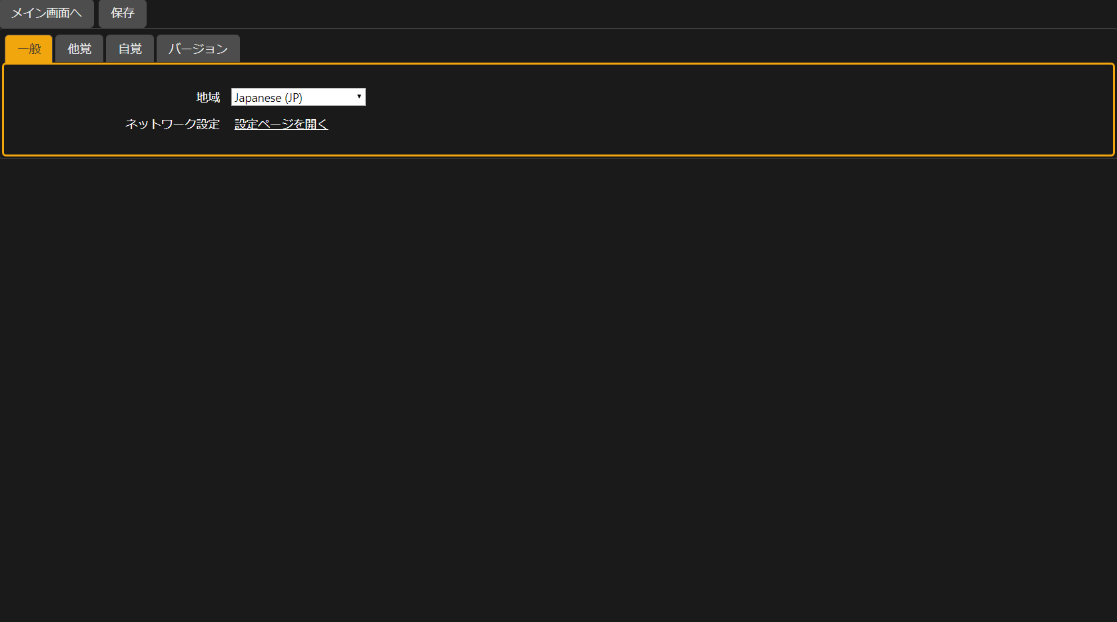
...
Information input screen | Information input screen
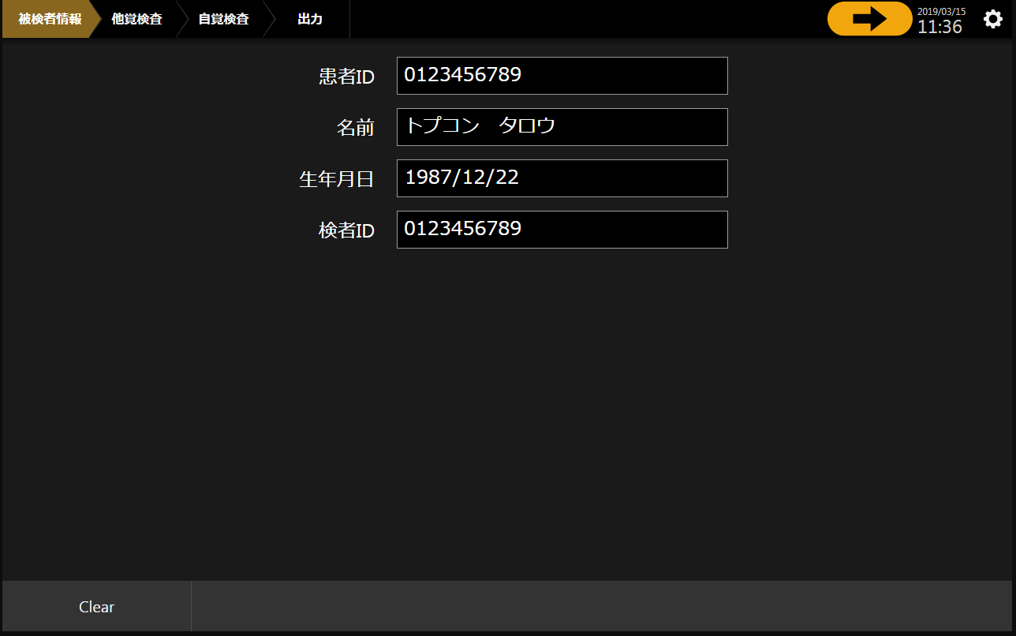

Another Satoru inspection screen | Another Satoru inspection screen
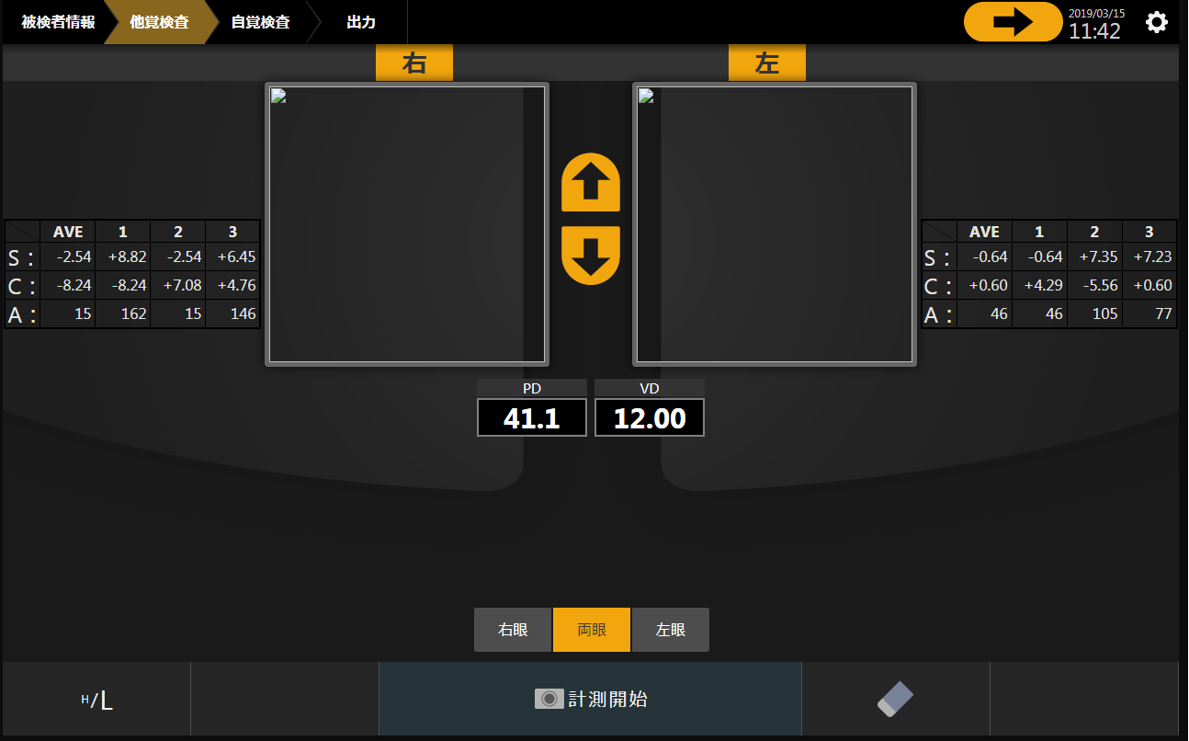

Screen of measurement of diameter of cornea | Screen of measurement of diameter of cornea
There is not mounting.

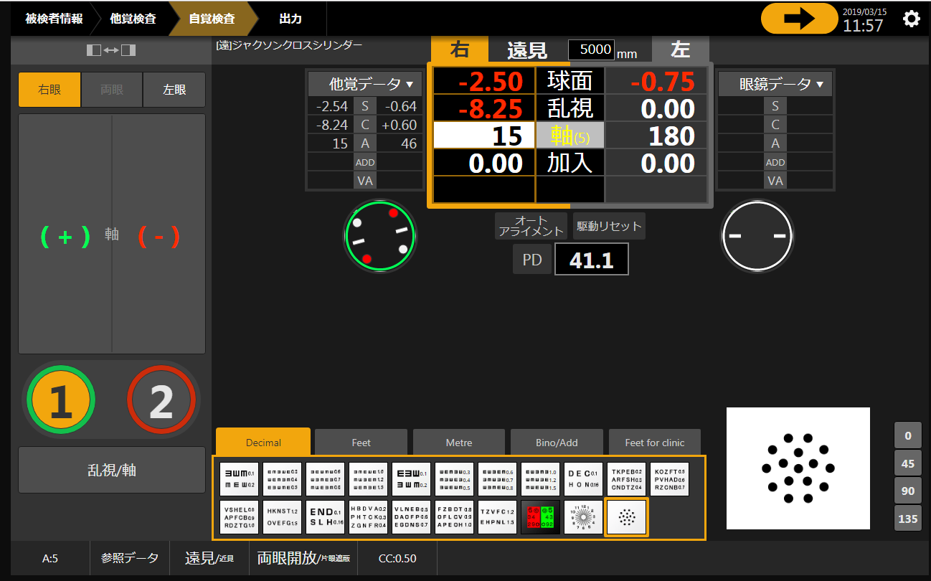
Consciousness inspection screen | Consciousness inspection screen

Inspection result screen | Inspection result screen
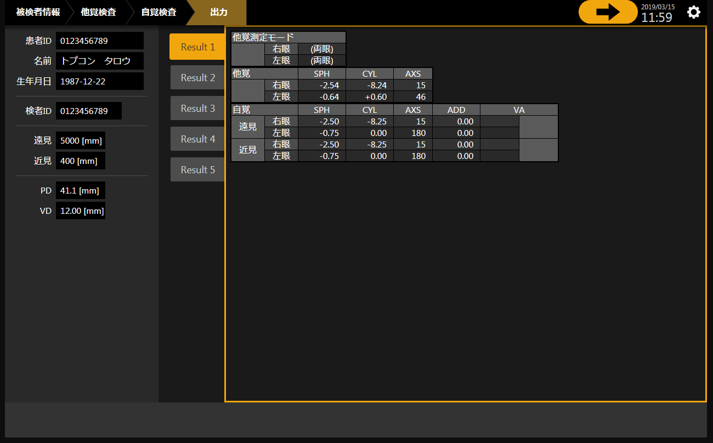

Equipment setting screen | Equipment setting screen

